Chart1
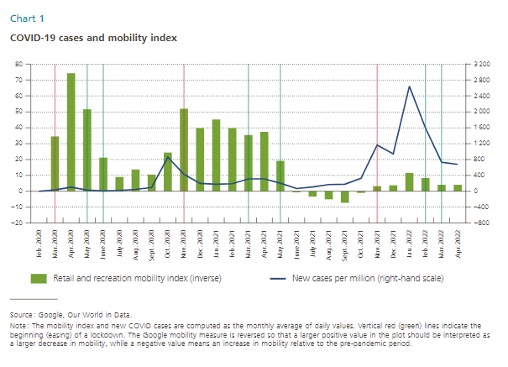
Date | Retail and recreation mobility index (inverse) | New cases per million (right axis) | Lockdown |  | Code orange
Feb-20 | 0 | 0
Mar-20 | 35 | 35 | Mar-20 | -20 | Feb-22 | -20
Apr-20 | 74 | 102 | Mar-20 | 80 | Feb-22 | 80
May-20 | 52 | 27
Jun-20 | 21 | 9 | Nov-20 | -20
Jul-20 | 9 | 20 | Nov-20 | 80
Aug-20 | 14 | 46 |  |  | Code yellow
Sep-20 | 10 | 95 | Nov-21 | -20 | Mar-22 | -20
Oct-20 | 24 | 862 | Nov-21 | 80 | Mar-22 | 80
Nov-20 | 52 | 424
Dec-20 | 40 | 192
Jan-21 | 45 | 177
Feb-21 | 40 | 188 | Easing
Mar-21 | 35 | 308 | May-20 | -20
Apr-21 | 37 | 309 | May-20 | 80
May-21 | 19 | 199
Jun-21 | -1 | 66 | Mar-21 | -20
Jul-21 | -3 | 110 | Mar-21 | 80
Aug-21 | -5 | 166
Sep-21 | -7 | 173 | Hospitality reopens
Oct-21 | -1 | 321 | Jun-20 | -20
Nov-21 | 3 | 1162 | Jun-20 | 80
Dec-21 | 4 | 941
Jan-22 | 11 | 2649 | May-21 | -20
Feb-22 | 8 | 1591 | May-21 | 80
Mar-22 | 4 | 730
Apr-22 | 4 | 677

Chart2
Manufacturing (C)
Zero line | Quarter | Median | p25 | p75 | Sector
0 | 2019Q1 | 2 | -26 | 43 | Agriculture (A)
0 | 2019Q2 | 4 | -21 | 39 | Agriculture (A)
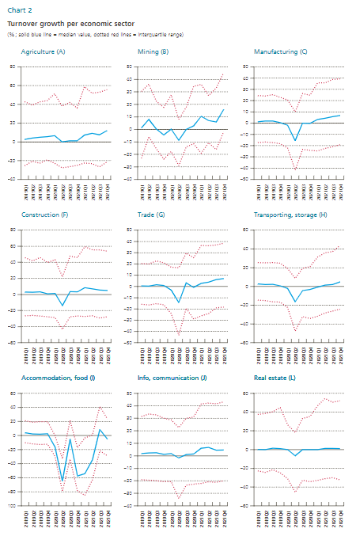
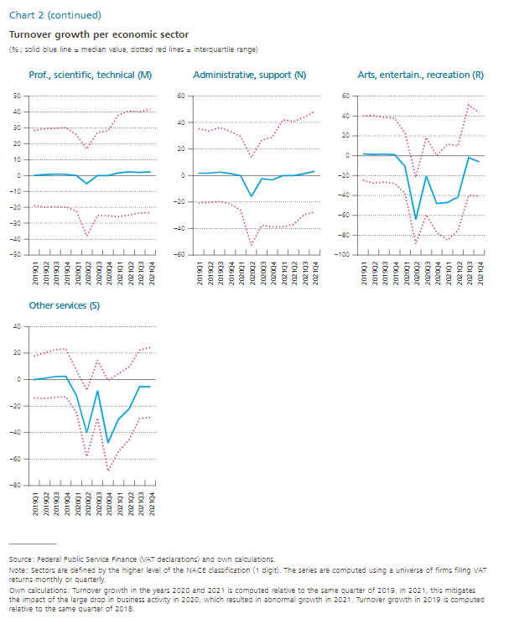
0 | 2019Q3 | 5 | -23 | 43 | Agriculture (A)
0 | 2019Q4 | 6 | -19 | 44 | Agriculture (A)
0 | 2020Q1 | 7 | -23 | 51 | Agriculture (A)
0 | 2020Q2 | 0 | -28 | 38 | Agriculture (A)
0 | 2020Q3 | 1 | -26 | 42 | Agriculture (A)
0 | 2020Q4 | 1 | -25 | 36 | Agriculture (A)
0 | 2021Q1 | 7 | -23 | 59 | Agriculture (A)
0 | 2021Q2 | 9 | -23 | 52 | Agriculture (A)
0 | 2021Q3 | 8 | -27 | 53 | Agriculture (A)
0 | 2021Q4 | 12 | -21 | 56 | Agriculture (A)
0 | 2019Q1 | 1 | -23 | 30 | Mining (B)
0 | 2019Q2 | 8 | -6 | 36 | Mining (B)
Transporting, storage (H)
0 | 2019Q3 | 0 | -16 | 22 | Mining (B)
0 | 2019Q4 | -4 | -24 | 18 | Mining (B)
0 | 2020Q1 | 0 | -18 | 27 | Mining (B)
0 | 2020Q2 | -9 | -29 | 8 | Mining (B)
0 | 2020Q3 | 0 | -14 | 18 | Mining (B)
0 | 2020Q4 | 3 | -11 | 35 | Mining (B)
0 | 2021Q1 | 10 | -19 | 36 | Mining (B)
0 | 2021Q2 | 7 | -11 | 27 | Mining (B)
0 | 2021Q3 | 6 | -16 | 33 | Mining (B)
0 | 2021Q4 | 16 | -2 | 45 | Mining (B)
0 | 2019Q1 | 1 | -17 | 24 | Manufacturing (C)
0 | 2019Q2 | 2 | -17 | 24 | Manufacturing (C)
Real estate (L)
0 | 2019Q3 | 2 | -17 | 25 | Manufacturing (C)
0 | 2019Q4 | 1 | -18 | 23 | Manufacturing (C)
0 | 2020Q1 | -2 | -22 | 21 | Manufacturing (C)
0 | 2020Q2 | -16 | -42 | 10 | Manufacturing (C)
0 | 2020Q3 | 0 | -23 | 26 | Manufacturing (C)
0 | 2020Q4 | 0 | -24 | 25 | Manufacturing (C)
0 | 2021Q1 | 3 | -25 | 36 | Manufacturing (C)
0 | 2021Q2 | 4 | -22 | 36 | Manufacturing (C)
0 | 2021Q3 | 6 | -21 | 39 | Manufacturing (C)
0 | 2021Q4 | 7 | -19 | 39 | Manufacturing (C)
0 | 2019Q1 | 3 | -26 | 46 | Construction (F)
0 | 2019Q2 | 3 | -26 | 42 | Construction (F)
0 | 2019Q3 | 3 | -27 | 46 | Construction (F)
Arts, entertain., recreation (R)
0 | 2019Q4 | 1 | -28 | 40 | Construction (F)
0 | 2020Q1 | 1 | -29 | 43 | Construction (F)
0 | 2020Q2 | -14 | -43 | 22 | Construction (F)
0 | 2020Q3 | 3 | -28 | 48 | Construction (F)
0 | 2020Q4 | 3 | -27 | 46 | Construction (F)
0 | 2021Q1 | 8 | -27 | 60 | Construction (F)
0 | 2021Q2 | 7 | -27 | 55 | Construction (F)
0 | 2021Q3 | 5 | -29 | 56 | Construction (F)
0 | 2021Q4 | 5 | -28 | 54 | Construction (F)
0 | 2019Q1 | 0 | -16 | 20 | Trade (G)
0 | 2019Q2 | 0 | -17 | 20 | Trade (G)
0 | 2019Q3 | 2 | -15 | 23 | Trade (G)
0 | 2019Q4 | 1 | -16 | 21 | Trade (G)
0 | 2020Q1 | -3 | -24 | 17 | Trade (G)
0 | 2020Q2 | -14 | -43 | 17 | Trade (G)
0 | 2020Q3 | 3 | -19 | 30 | Trade (G)
0 | 2020Q4 | -1 | -29 | 26 | Trade (G)
0 | 2021Q1 | 3 | -26 | 36 | Trade (G)
0 | 2021Q2 | 4 | -24 | 36 | Trade (G)
0 | 2021Q3 | 6 | -19 | 37 | Trade (G)
0 | 2021Q4 | 7 | -18 | 38 | Trade (G)
0 | 2019Q1 | 3 | -14 | 25 | Transporting, storage (H)
0 | 2019Q2 | 2 | -15 | 25 | Transporting, storage (H)
0 | 2019Q3 | 2 | -16 | 25 | Transporting, storage (H)
0 | 2019Q4 | 1 | -17 | 25 | Transporting, storage (H)
0 | 2020Q1 | -2 | -22 | 19 | Transporting, storage (H)
0 | 2020Q2 | -16 | -48 | 9 | Transporting, storage (H)
0 | 2020Q3 | -4 | -32 | 19 | Transporting, storage (H)
0 | 2020Q4 | -3 | -34 | 21 | Transporting, storage (H)
0 | 2021Q1 | -1 | -32 | 31 | Transporting, storage (H)
0 | 2021Q2 | 1 | -28 | 36 | Transporting, storage (H)
0 | 2021Q3 | 2 | -26 | 37 | Transporting, storage (H)
0 | 2021Q4 | 5 | -24 | 44 | Transporting, storage (H)
0 | 2019Q1 | 4 | -10 | 21 | Accommodation, food (I)
0 | 2019Q2 | 2 | -12 | 19 | Accommodation, food (I)
0 | 2019Q3 | 2 | -13 | 20 | Accommodation, food (I)
0 | 2019Q4 | 2 | -12 | 20 | Accommodation, food (I)
0 | 2020Q1 | -16 | -30 | 0 | Accommodation, food (I)
0 | 2020Q2 | -65 | -80 | -33 | Accommodation, food (I)
0 | 2020Q3 | -5 | -33 | 22 | Accommodation, food (I)
0 | 2020Q4 | -58 | -79 | -17 | Accommodation, food (I)
0 | 2021Q1 | -54 | -85 | -4 | Accommodation, food (I)
0 | 2021Q2 | -35 | -63 | 1 | Accommodation, food (I)
0 | 2021Q3 | 8 | -22 | 41 | Accommodation, food (I)
0 | 2021Q4 | -5 | -29 | 24 | Accommodation, food (I)
0 | 2019Q1 | 2 | -19 | 31 | Info, communication (J)
0 | 2019Q2 | 2 | -20 | 33 | Info, communication (J)
0 | 2019Q3 | 2 | -20 | 33 | Info, communication (J)
0 | 2019Q4 | 1 | -21 | 30 | Info, communication (J)
0 | 2020Q1 | 2 | -21 | 29 | Info, communication (J)
0 | 2020Q2 | -2 | -34 | 23 | Info, communication (J)
0 | 2020Q3 | 1 | -24 | 30 | Info, communication (J)
0 | 2020Q4 | 2 | -23 | 31 | Info, communication (J)
0 | 2021Q1 | 6 | -22 | 41 | Info, communication (J)
0 | 2021Q2 | 7 | -21 | 42 | Info, communication (J)
0 | 2021Q3 | 4 | -21 | 42 | Info, communication (J)
0 | 2021Q4 | 5 | -20 | 43 | Info, communication (J)
0 | 2019Q1 | 0 | -23 | 38 | Real estate (L)
0 | 2019Q2 | 0 | -24 | 39 | Real estate (L)
0 | 2019Q3 | 1 | -22 | 40 | Real estate (L)
0 | 2019Q4 | 1 | -25 | 45 | Real estate (L)
0 | 2020Q1 | 0 | -31 | 26 | Real estate (L)
0 | 2020Q2 | -7 | -46 | 18 | Real estate (L)
0 | 2020Q3 | 0 | -33 | 33 | Real estate (L)
0 | 2020Q4 | 0 | -34 | 35 | Real estate (L)
0 | 2021Q1 | 0 | -33 | 47 | Real estate (L)
0 | 2021Q2 | 1 | -31 | 55 | Real estate (L)
0 | 2021Q3 | 1 | -30 | 51 | Real estate (L)
0 | 2021Q4 | 1 | -32 | 52 | Real estate (L)
0 | 2019Q1 | 0 | -19 | 28 | Prof., scientific, technical (M)
0 | 2019Q2 | 1 | -20 | 29 | Prof., scientific, technical (M)
0 | 2019Q3 | 1 | -20 | 30 | Prof., scientific, technical (M)
0 | 2019Q4 | 1 | -20 | 30 | Prof., scientific, technical (M)
0 | 2020Q1 | 0 | -22 | 26 | Prof., scientific, technical (M)
0 | 2020Q2 | -5 | -38 | 17 | Prof., scientific, technical (M)
0 | 2020Q3 | 0 | -25 | 27 | Prof., scientific, technical (M)
0 | 2020Q4 | 0 | -25 | 28 | Prof., scientific, technical (M)
0 | 2021Q1 | 2 | -26 | 38 | Prof., scientific, technical (M)
0 | 2021Q2 | 2 | -25 | 41 | Prof., scientific, technical (M)
0 | 2021Q3 | 2 | -23 | 40 | Prof., scientific, technical (M)
0 | 2021Q4 | 2 | -23 | 42 | Prof., scientific, technical (M)
0 | 2019Q1 | 2 | -21 | 35 | Administrative, support (N)
0 | 2019Q2 | 2 | -20 | 34 | Administrative, support (N)
0 | 2019Q3 | 3 | -20 | 36 | Administrative, support (N)
0 | 2019Q4 | 2 | -21 | 33 | Administrative, support (N)
0 | 2020Q1 | 0 | -26 | 30 | Administrative, support (N)
0 | 2020Q2 | -16 | -53 | 14 | Administrative, support (N)
0 | 2020Q3 | -2 | -37 | 27 | Administrative, support (N)
0 | 2020Q4 | -3 | -39 | 29 | Administrative, support (N)
0 | 2021Q1 | 0 | -39 | 42 | Administrative, support (N)
0 | 2021Q2 | 0 | -37 | 41 | Administrative, support (N)
0 | 2021Q3 | 1 | -30 | 44 | Administrative, support (N)
0 | 2021Q4 | 3 | -27 | 49 | Administrative, support (N)
0 | 2019Q1 | 2 | -25 | 40 | Arts, entertain., recreation (R)
0 | 2019Q2 | 1 | -28 | 40 | Arts, entertain., recreation (R)
0 | 2019Q3 | 2 | -27 | 39 | Arts, entertain., recreation (R)
0 | 2019Q4 | 1 | -28 | 38 | Arts, entertain., recreation (R)
0 | 2020Q1 | -11 | -38 | 23 | Arts, entertain., recreation (R)
0 | 2020Q2 | -64 | -89 | -22 | Arts, entertain., recreation (R)
0 | 2020Q3 | -21 | -60 | 18 | Arts, entertain., recreation (R)
0 | 2020Q4 | -48 | -77 | 0 | Arts, entertain., recreation (R)
0 | 2021Q1 | -47 | -85 | 11 | Arts, entertain., recreation (R)
0 | 2021Q2 | -42 | -76 | 10 | Arts, entertain., recreation (R)
0 | 2021Q3 | -2 | -40 | 51 | Arts, entertain., recreation (R)
0 | 2021Q4 | -6 | -41 | 43 | Arts, entertain., recreation (R)
0 | 2019Q1 | 0 | -14 | 18 | Other services (S)
0 | 2019Q2 | 1 | -14 | 20 | Other services (S)
0 | 2019Q3 | 2 | -13 | 23 | Other services (S)
0 | 2019Q4 | 2 | -13 | 23 | Other services (S)
0 | 2020Q1 | -12 | -25 | 7 | Other services (S)
0 | 2020Q2 | -40 | -58 | -8 | Other services (S)
0 | 2020Q3 | -8 | -29 | 14 | Other services (S)
0 | 2020Q4 | -48 | -69 | -1 | Other services (S)
0 | 2021Q1 | -30 | -54 | 5 | Other services (S)
0 | 2021Q2 | -22 | -45 | 10 | Other services (S)
0 | 2021Q3 | -5 | -29 | 22 | Other services (S)
0 | 2021Q4 | -5 | -29 | 24 | Other services (S)

Chart3
NBB Survey on credit conditions

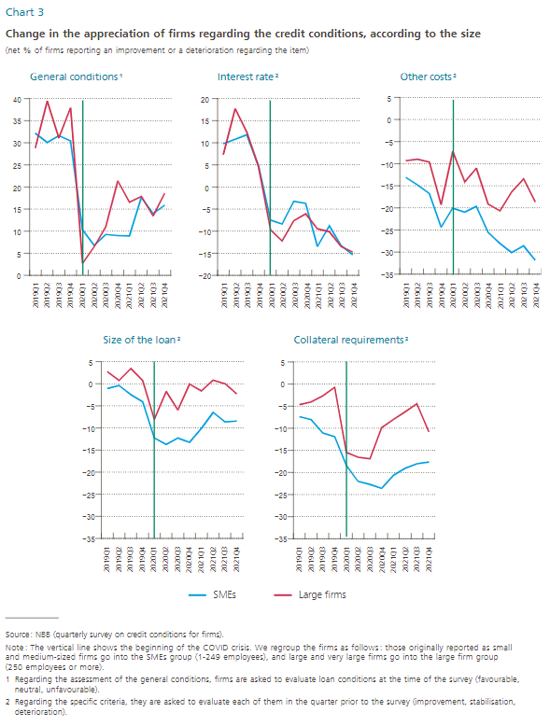
General conditions | 2019Q1 | 2019Q2 | 2019Q3 | 2019Q4 | 2020Q1 | 2020Q2 | 2020Q3 | 2020Q4 | 2021Q1 | 2021Q2 | 2021Q3 | 2021Q4 | 2022Q1
SMEs | 32.1 | 30.1 | 31.6 | 30.4 | 10.3 | 6.7 | 9.3 | 8.9 | 8.9 | 17.7 | 14.0 | 15.9 | -1.3
Large firms | 28.8 | 39.4 | 31.1 | 37.9 | 2.7 | 6.5 | 10.9 | 21.4 | 16.5 | 17.8 | 13.4 | 18.6 | 0.8

Interest rate | 2019Q1 | 2019Q2 | 2019Q3 | 2019Q4 | 2020Q1 | 2020Q2 | 2020Q3 | 2020Q4 | 2021Q1 | 2021Q2 | 2021Q3 | 2021Q4 | 2022Q1
SMEs | 9.8 | 10.8 | 11.8 | 4.7 | -7.5 | -8.4 | -3.3 | -3.7 | -13.5 | -8.8 | -13.2 | -15.3 | -48.0
Large firms | 7.3 | 17.7 | 12.3 | 4.6 | -9.7 | -12.3 | -7.6 | -6.1 | -9.5 | -10.2 | -13.4 | -14.7 | -45.8

Other costs | 2019Q1 | 2019Q2 | 2019Q3 | 2019Q4 | 2020Q1 | 2020Q2 | 2020Q3 | 2020Q4 | 2021Q1 | 2021Q2 | 2021Q3 | 2021Q4 | 2022Q1
SMEs | -13.1 | -14.8 | -16.7 | -24.4 | -20.0 | -20.9 | -19.6 | -25.5 | -28.0 | -30.1 | -28.5 | -31.8 | -33.0
Large firms | -9.3 | -9.0 | -9.6 | -19.2 | -7.2 | -14.1 | -11.0 | -19.1 | -20.7 | -16.4 | -13.4 | -18.6 | -16.0

Size of the loan | 2019Q1 | 2019Q2 | 2019Q3 | 2019Q4 | 2020Q1 | 2020Q2 | 2020Q3 | 2020Q4 | 2021Q1 | 2021Q2 | 2021Q3 | 2021Q4 | 2022Q1
SMEs | -1.1 | -0.4 | -2.5 | -4.1 | -12.2 | -13.7 | -12.3 | -13.2 | -10.1 | -6.5 | -8.7 | -8.4 | -15.2
Large firms | 2.7 | 0.8 | 3.5 | 0.8 | -8.0 | -1.7 | -6.0 | 0.0 | -1.6 | 0.8 | 0.0 | -2.3 | -7.6

Collateral requirements | 2019Q1 | 2019Q2 | 2019Q3 | 2019Q4 | 2020Q1 | 2020Q2 | 2020Q3 | 2020Q4 | 2021Q1 | 2021Q2 | 2021Q3 | 2021Q4 | 2022Q1
SMEs | -7.4 | -8.1 | -11.1 | -11.9 | -18.5 | -22.1 | -22.7 | -23.6 | -20.6 | -19.1 | -18.1 | -17.7 | -20.9
Large firms | -4.7 | -4.1 | -2.7 | -0.8 | -15.5 | -16.6 | -16.9 | -9.9 | -8.0 | -6.3 | -4.5 | -10.9 | -16.9

Note : SMEs = 1-249 employees, Large firms = 250-+++ employees.

Chart4
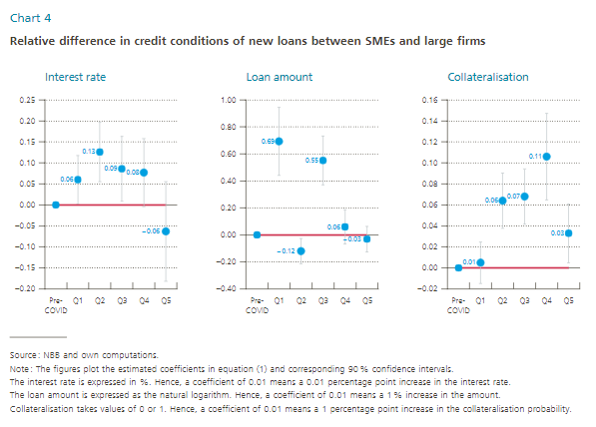
Interest rates |  |  |  |  |  |  | Loan amount |  |  |  |  |  |  | Collateralized
 | Coefficient | CI top | CI bottom | positive error | negative error | zero line |  | Coefficient | CI top | CI bottom | positive error | negative error | zero line |  | Coefficient | CI top | CI bottom | positive error | negative error | zero line
Pre-COVID | 0.00 | 0 | 0 | 0 | 0 | 0 | Pre-COVID | 0 | 0 | 0 | 0 | 0 | 0 | Pre-COVID | 0 | 0 | 0 | 0 | 0 | 0
Q1 | 0.06 | 0.12 | 0.00 | 0.06 | 0.06 | 0 | Q1 | 0.69 | 0.94 | 0.44 | 0.25 | 0.25 | 0 | Q1 | 0.01 | 0.02 | -0.01 | 0.02 | 0.02 | 0
Q2 | 0.13 | 0.20 | 0.06 | 0.07 | 0.07 | 0 | Q2 | -0.12 | -0.03 | -0.21 | 0.09 | 0.09 | 0 | Q2 | 0.06 | 0.09 | 0.04 | 0.03 | 0.03 | 0
Q3 | 0.09 | 0.16 | 0.01 | 0.08 | 0.08 | 0 | Q3 | 0.55 | 0.73 | 0.37 | 0.18 | 0.18 | 0 | Q3 | 0.07 | 0.09 | 0.04 | 0.03 | 0.03 | 0
Q4 | 0.08 | 0.16 | 0.00 | 0.08 | 0.08 | 0 | Q4 | 0.06 | 0.19 | -0.07 | 0.13 | 0.13 | 0 | Q4 | 0.11 | 0.15 | 0.06 | 0.04 | 0.04 | 0
Q5 | -0.06 | 0.06 | -0.18 | 0.12 | 0.12 | 0 | Q5 | -0.03 | 0.06 | -0.12 | 0.09 | 0.09 | 0 | Q5 | 0.03 | 0.06 | 0.01 | 0.03 | 0.03 | 0

Chart5
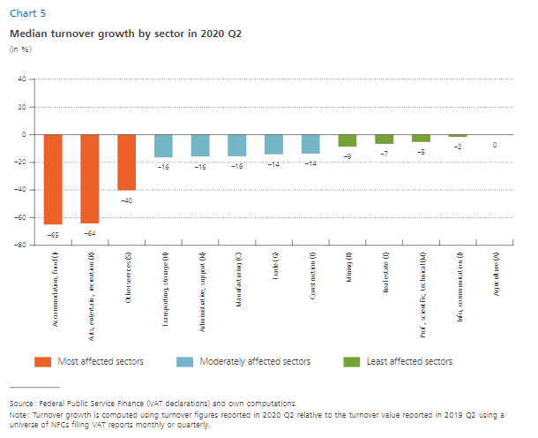
Sector | Median Growth, %
Accommodation, food (I) | -65
Arts, entertain., recreation (R) | -64
Other services (S) | -40
Transporting, storage (H) | -16
Administrative, support (N) | -16
Manufacturing (C) | -16
Trade (G) | -14
Construction (F) | -14
Mining (B) | -9
Real estate (L) | -7
Prof., scientific, technical (M) | -5
Info, communication (J) | -2
Agriculture (A) | 0

Chart6
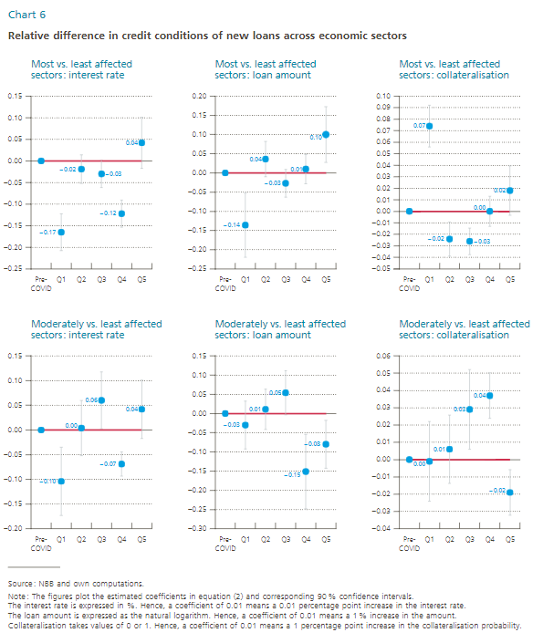
Interest rates |  |  |  |  |  |  | Loan amount |  |  |  |  |  |  | Collateralisation
 | Most vs. least affected |  |  |  |  |  |  | Most vs. least affected |  |  |  |  |  |  | Most vs. least affected
 | Coefficient | CI top | CI bottom | positive error | negative error | zero line |  | Coefficient | CI top | CI bottom | positive error | negative error | zero line |  | Coefficient | CI top | CI bottom | positive error | negative error | zero line
Pre-COVID | 0.00 | 0 | 0 | 0 | 0 | 0 | Pre-COVID | 0 | 0 | 0 | 0 | 0 | 0 | Pre-COVID | 0 | 0 | 0 | 0 | 0 | 0
Q1 | -0.17 | -0.12 | -0.21 | 0.04 | 0.04 | 0 | Q1 | -0.14 | -0.05 | -0.22 | 0.08 | 0.08 | 0 | Q1 | 0.07 | 0.09 | 0.06 | 0.02 | 0.02 | 0
Q2 | -0.02 | 0.01 | -0.05 | 0.03 | 0.03 | 0 | Q2 | 0.04 | 0.08 | -0.01 | 0.05 | 0.05 | 0 | Q2 | -0.02 | -0.01 | -0.04 | 0.01 | 0.01 | 0
Q3 | -0.03 | 0.00 | -0.06 | 0.03 | 0.03 | 0 | Q3 | -0.03 | 0.01 | -0.06 | 0.04 | 0.04 | 0 | Q3 | -0.03 | -0.01 | -0.04 | 0.01 | 0.01 | 0
Q4 | -0.12 | -0.09 | -0.15 | 0.03 | 0.03 | 0 | Q4 | 0.01 | 0.05 | -0.03 | 0.04 | 0.04 | 0 | Q4 | 0.00 | 0.01 | -0.01 | 0.01 | 0.01 | 0
Q5 | 0.04 | 0.10 | -0.02 | 0.06 | 0.06 | 0 | Q5 | 0.10 | 0.17 | 0.03 | 0.07 | 0.07 | 0 | Q5 | 0.02 | 0.04 | 0.00 | 0.02 | 0.02 | 0

Interest rates |  |  |  |  |  |  | Loan amount |  |  |  |  |  |  | Collateralisation
 | Moderately vs. least affected |  |  |  |  |  |  | Moderately vs. least affected |  |  |  |  |  |  | Moderately vs. least affected
 | Coefficient | CI top | CI bottom | positive error | negative error | zero line |  | Coefficient | CI top | CI bottom | positive error | negative error | zero line |  | Coefficient | CI top | CI bottom | positive error | negative error | zero line
Pre-COVID | 0.00 | 0 | 0 | 0 | 0 | 0 | Pre-COVID | 0 | 0 | 0 | 0 | 0 | 0 | Pre-COVID | 0 | 0 | 0 | 0 | 0 | 0
Q1 | -0.10 | -0.03 | -0.17 | 0.07 | 0.07 | 0 | Q1 | -0.03 | 0.03 | -0.09 | 0.06 | 0.06 | 0 | Q1 | 0.00 | 0.02 | -0.02 | 0.02 | 0.02 | 0
Q2 | 0.00 | 0.06 | -0.05 | 0.06 | 0.06 | 0 | Q2 | 0.01 | 0.06 | -0.04 | 0.05 | 0.05 | 0 | Q2 | 0.01 | 0.03 | -0.01 | 0.02 | 0.02 | 0
Q3 | 0.06 | 0.12 | 0.00 | 0.06 | 0.06 | 0 | Q3 | 0.05 | 0.11 | 0.00 | 0.06 | 0.06 | 0 | Q3 | 0.03 | 0.05 | 0.01 | 0.02 | 0.02 | 0
Q4 | -0.07 | -0.04 | -0.09 | 0.02 | 0.02 | 0 | Q4 | -0.15 | -0.05 | -0.25 | 0.10 | 0.10 | 0 | Q4 | 0.04 | 0.05 | 0.02 | 0.01 | 0.01 | 0
Q5 | 0.04 | 0.10 | -0.02 | 0.06 | 0.06 | 0 | Q5 | -0.08 | -0.02 | -0.14 | 0.06 | 0.06 | 0 | Q5 | -0.02 | -0.01 | -0.03 | 0.01 | 0.01 | 0

Chart7
Supply conditions and explanatory factors

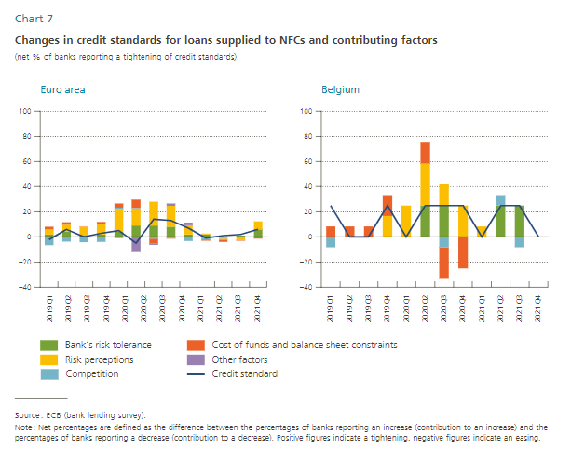
 | Belgium |  |  |  |  | Euro area
 | Credit standard | Bank`s risk tolerance | Risk perception | Competition | Cost of funds and balance sheet constraints | Credit standard | Bank`s risk tolerance | Risk perception | Competition | Cost of funds and balance sheet constraints | Other factors
2019Q1 | 25 | 0 | 0 | -8 | 8 | -2 | 2 | 4 | -7 | 2
2019Q2 | 0 | 0 | 0 | 0 | 8 | 6 | 4 | 6 | -4 | 2
2019Q3 | 0 | 0 | 0 | 0 | 8 | 0 | 1 | 7 | -4 | 0
2019Q4 | 25 | 0 | 17 | 0 | 17 | 3 | 2 | 8 | -4 | 2
2020Q1 | 0 | 0 | 25 | 0 | 0 | 5 | 4 | 18 | 1 | 3 | -1
2020Q2 | 25 | 25 | 33 | 0 | 17 | -5 | 9 | 14 | 0 | 7 | -12
2020Q3 | 25 | 25 | 17 | -8 | -25 | 14 | 9 | 19 | -1 | -4 | -1
2020Q4 | 25 | 0 | 25 | 0 | -25 | 13 | 8 | 17 | -1 | -1 | 2
2021Q1 | 0 | 0 | 8 | 0 | 0 | 7 | 2 | 7 | -3 | 0 | 2
2021Q2 | 25 | 25 | 0 | 8 | 0 | -1 | 2 | 1 | -2 | -1
2021Q3 | 25 | 25 | 0 | -8 | 0 | 1 | 0 | -2 | -1 | -1
2021Q4 | 0 | 0 | 0 | 0 | 0 | 2 | 1 | -2 | 0 | -1

Chart8
Demand for loans and explanatory factors

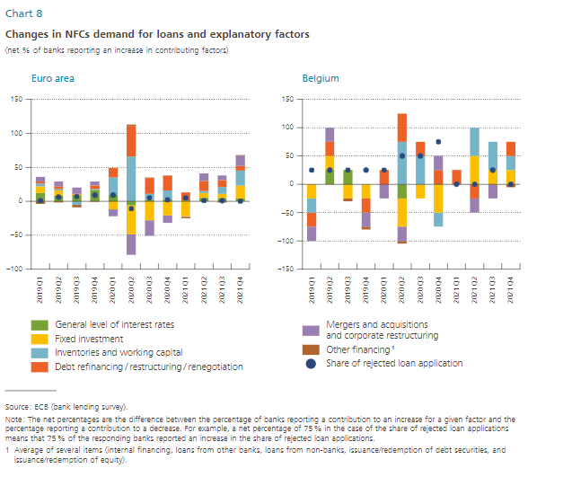
 |  | Belgium |  |  |  |  |  | Euro area
 | Share of rejected loan application | General level of interest rates | Fixed investment | Inventories and working capital | Debt refinancing/restructuring/renegotiation | Mergers and acquisitions and corporate restructuring | Other financing (1) | Share of rejected loan application | General level of interest rates | Fixed investment | Inventories and working capital | Debt refinancing/restructuring/renegotiation | Mergers and acquisitions and corporate restructuring | Other financing (1)
2019Q1 | 25 | 0 | -25 | -25 | -25 | -25 | 0 | 1 | 12 | 10 | 4 | 3 | 7 | -4
2019Q2 | 25 | 25 | 25 | 0 | 25 | 25 | 0 | 6 | 8 | 8 | 2 | 4 | 7 | -2
2019Q3 | 25 | 25 | -25 | 0 | 0 | 0 | -5 | 7 | 9 | 1 | -5 | 1 | 9 | -4
2019Q4 | 25 | 0 | -25 | 0 | -25 | -25 | -5 | 9 | 17 | 0 | 1 | 5 | 6 | -1
2020Q1 | 25 | 0 | 0 | 0 | 25 | -25 | 0 | 9 | 9 | -12 | 26 | 14 | -10 | 0
2020Q2 | 50 | -25 | -50 | 75 | 50 | -25 | -5 | -11 | -6 | -43 | 66 | 45 | -30 | 2
2020Q3 | 50 | 0 | -25 | 50 | 25 | 0 | 0 | 5 | 2 | -28 | 9 | 23 | -23 | 1
2020Q4 | 75 | 0 | -50 | -25 | 25 | 25 | 0 | 2 | 3 | -21 | 13 | 21 | -11 | 1
2021Q1 | 0 | 0 | 0 | 0 | 25 | 0 | 0 | 5 | 1 | -22 | 0 | 12 | -1 | -2
2021Q2 | 0 | 0 | 50 | 50 | -25 | -25 | 0 | 1 | 5 | 7 | 3 | 15 | 11 | 0
2021Q3 | 25 | 0 | 25 | 50 | 0 | -25 | 0 | 1 | 4 | 7 | 10 | 10 | 7 | -2
2021Q4 | 0 | 0 | 25 | 25 | 25 | 0 | -5 | 0 | 4 | 19 | 22 | 7 | 15 | 1

Chart9
Financing needs

Question : For each of the following types of external financing, please indicate if your needs increased, remained unchanged or decreased over the past 6 months?

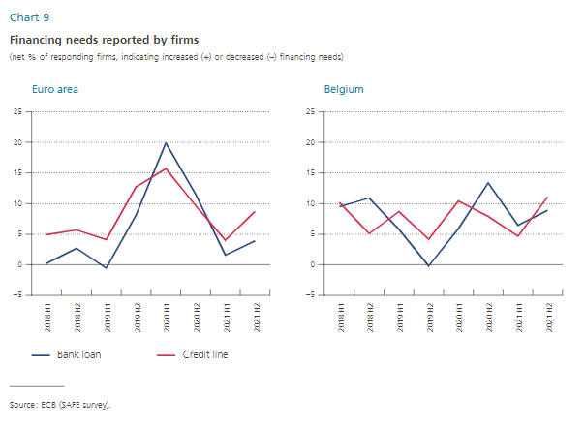
 | Belgium |  | Euro area
 | BE SMEs |  | EA SMEs
 | Bank loan | Credit line | Bank loan | Credit line
2018H1 | 9.472 | 10.185 | 0.204 | 4.921
2018H2 | 10.887 | 5.15 | 2.678 | 5.705
2019H1 | 5.783 | 8.672 | -0.56 | 4.1
2019H2 | -0.194 | 4.187 | 8.135 | 12.708
2020H1 | 5.882 | 10.471 | 19.93 | 15.737
2020H2 | 13.401 | 7.912 | 11.518 | 9.709
2021H1 | 6.467 | 4.665 | 1.597 | 4.025
2021H2 | 8.903 | 11.059 | 3.925 | 8.741

Chart10
Changement dans la disponibilité perçue et attendue de crédits bancaires pour les PME
(au cours des six mois précédant ou suivant l’enquête ; pourcentages nets des répondants (1))

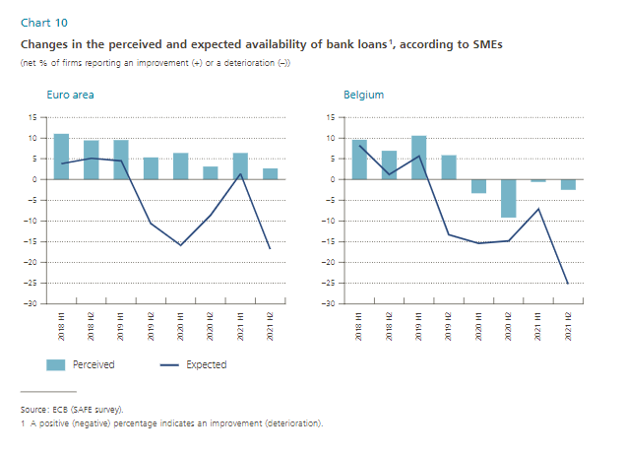
 |  | Perceived | Expected
Euro area | 2018-H1 | 11 | 3.8
 | 2018-H2 | 9.4 | 5.1
 | 2019-H1 | 9.5 | 4.5
 | 2019-H2 | 5.3 | -10.6
 | 2020-H1 | 6.409 | -15.834
 | 2020-H2 | 3.1 | -8.6
 | 2021-H1 | 6.4 | 1.4
 | 2021-H2 | 2.7 | -16.8

Belgium | 2018-H1 | 9.6 | 8.2
 | 2018-H2 | 6.9 | 1.2
 | 2019-H1 | 10.6 | 5.6
 | 2019-H2 | 5.9 | -13.3
 | 2020-H1 | -3.3 | -15.4
 | 2020-H2 | -9.2 | -14.8
 | 2021-H1 | -0.6 | -7.1
 | 2021-H2 | -2.5 | -25.2

Chart11
Obstacles dans l'accès au financement bancaire par les PME (1,2)
(% des répondants)

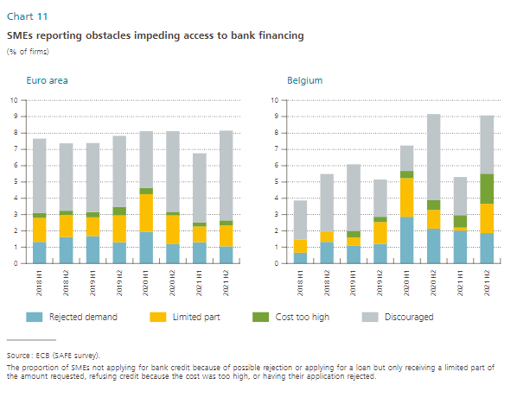
 |  | Rejected demand | Limited part | Cost too high | Discouraged
Euro area | 2018-H1 | 1.3 | 1.5 | 0.3 | 4.6
 | 2018-H2 | 1.6 | 1.3 | 0.3 | 4.1
 | 2019-H1 | 1.7 | 1.2 | 0.3 | 4.2
 | 2019-H2 | 1.3 | 1.6 | 0.5 | 4.4
 | 2020-H1 | 2.0 | 2.3 | 0.4 | 3.5
 | 2020-H2 | 1.2 | 1.8 | 0.2 | 4.9
 | 2021-H1 | 1.3 | 1.0 | 0.3 | 4.2
 | 2021-H2 | 1.0 | 1.3 | 0.3 | 5.5

Belgium | 2018-H1 | 0.7 | 0.8 | 0.0 | 2.4
 | 2018-H2 | 1.3 | 0.6 | 0.0 | 3.5
 | 2019-H1 | 1.1 | 0.5 | 0.4 | 4.1
 | 2019-H2 | 1.2 | 1.3 | 0.3 | 2.3
 | 2020-H1 | 2.9 | 2.4 | 0.5 | 1.5
 | 2020-H2 | 2.1 | 1.1 | 0.6 | 5.3
 | 2021-H1 | 2.0 | 0.2 | 0.8 | 2.3
 | 2021-H2 | 1.9 | 1.8 | 1.8 | 3.6

 |  |  |  |  |  | #DIV/0!

Source: BCE (Enquête SAFE).
(1) Moins de 250 travailleurs.
(2) Part des entreprises n’ayant pas sollicité de crédit bancaire par crainte d’un refus, ou ayant sollicité mais n’ayant reçu qu’une partie limitée de la demande, ayant refusé en raison des coûts trop élevés ou dont la demande a été refusée.

Chart12
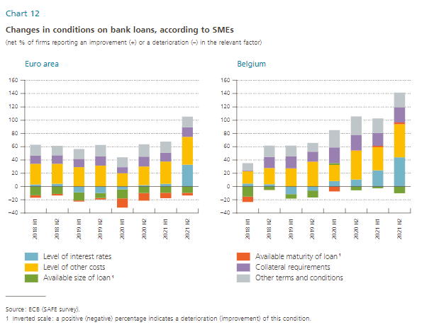
Credit conditions

Question 10 : Please indicate whether the following items increased, remained unchanged or decreased in the past 6 months?

 | BE SMEs |  |  |  |  |  | EA SMEs
 | Level of interest rates | Level of other costs | Available size of loan (1) | Available maturity of loan (1) | Collateral requirements | Other terms and conditions | Level of interest rates | Level of other costs | Available size of loan (1) | Available maturity of loan (1) | Collateral requirements | Other terms and conditions
2018H1 | 4.4 | 18.6 | -15.4 | -8.1 | 1.2 | 11.0 | 2.9 | 31.4 | -13.4 | -3.5 | 12.3 | 16.2
2018H2 | 3.2 | 24.4 | -5.2 | -0.4 | 16.8 | 17.2 | 4.0 | 30.1 | -11.1 | -2.6 | 12.9 | 14.2
2019H1 | -11.5 | 27.1 | -6.8 | 0.2 | 17.8 | 16.4 | -8.9 | 29.2 | -12.2 | -1.7 | 12.5 | 14.8
2019H2 | -6.2 | 37.2 | -10.5 | 0.2 | 15.0 | 13.2 | -9.8 | 31.4 | -7.4 | -2.5 | 14.0 | 17.0
2020H1 | 8.2 | 24.4 | 2.8 | -7.4 | 23.5 | 26.0 | -4.5 | 20.0 | -13.7 | -13.8 | 9.0 | 14.9
2020H2 | 10.5 | 43.5 | -5.9 | 0.6 | 23.2 | 27.8 | 1.9 | 28.0 | -9.9 | -11.6 | 14.9 | 18.7
2021H1 | 24.3 | 34.9 | -2.6 | 2.0 | 19.5 | 21.8 | 3.9 | 33.5 | -9.4 | -8.4 | 13.2 | 17.1
2021H2 | 44.1 | 49.8 | -10.1 | 2.7 | 23.1 | 21.8 | 32.9 | 41.8 | -9.4 | -4.2 | 14.7 | 16.0

