Chart 1
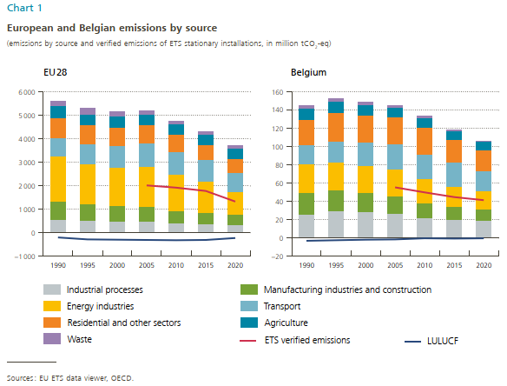
Belgium | 1990 | 1995 | 2000 | 2005 | 2010 | 2015 | 2020
LULUCF | -2.94 | -2.28 | -1.68 | -1.65 | -0.25 | -0.75 | -0.24
Waste | 4.34 | 4.30 | 3.76 | 2.97 | 2.46 | 1.58 | 1.22
Agriculture | 11.51 | 11.62 | 10.70 | 9.73 | 9.54 | 9.53 | 9.32
Industrial processes | 26.06 | 29.96 | 28.27 | 27.11 | 22.13 | 20.85 | 18.89
Manufacturing industries and construction | 23.54 | 23.18 | 21.66 | 18.94 | 15.97 | 13.85 | 13.07
Energy industries | 31.16 | 30.36 | 29.59 | 29.97 | 27.04 | 21.63 | 19.73
Transport | 20.93 | 22.95 | 25.00 | 26.76 | 26.69 | 26.90 | 21.66
Residential and other sectors | 28.16 | 31.23 | 29.90 | 30.08 | 29.82 | 24.61 | 22.54
ETS verified emissions | 0.00 | 0.00 | 0.00 | 55.36 | 50.10 | 44.71 | 41.51

EU28 | 1990 | 1995 | 2000 | 2005 | 2010 | 2015 | 2020
LULUCF | -200.45 | -282.14 | -292.46 | -304.28 | -318.66 | -298.97 | -223.77
Waste | 237.83 | 243.83 | 227.09 | 198.84 | 165.71 | 140.68 | 130.52
Agriculture | 532.28 | 465.97 | 456.39 | 434.10 | 419.00 | 428.14 | 423.51
Industrial processes | 547.72 | 523.20 | 479.15 | 486.86 | 405.53 | 392.27 | 349.34
Manufacturing industries and construction | 805.73 | 720.50 | 663.60 | 625.30 | 535.82 | 474.71 | 452.16
Energy industries | 1898.44 | 1700.09 | 1648.00 | 1727.15 | 1557.15 | 1346.03 | 937.21 | 2021 | 1237463158 | #REF!
Transport | 796.66 | 851.52 | 930.39 | 983.06 | 941.41 | 917.97 | 820.17
Residential and other sectors | 824.45 | 791.44 | 756.07 | 776.52 | 765.88 | 631.93 | 601.71
ETS verified emissions | 0.00 | 0.00 | 0.00 | 2014.08 | 1919.53 | 1775.47 | 1330.06

Chart 2
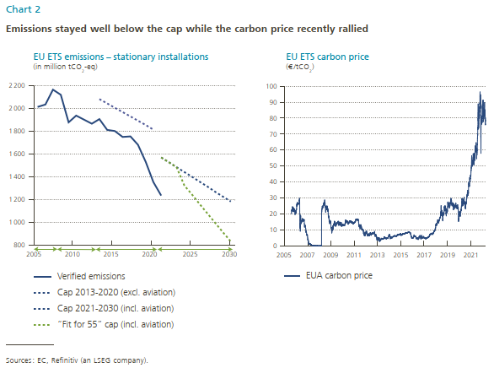
Year | Verified emissions | Cap 2013 - 2020 (excl. aviation) | Cap 2021 - 2030 (incl. aviation) | "Fit for 55" cap (incl. aviation)
2005 | 2014
2006 | 2036
2007 | 2165
2008 | 2120
2009 | 1880
2010 | 1939
2011 | 1904
2012 | 1867
2013 | 1908 | 2084
2014 | 1814 | 2046
2015 | 1803 | 2008
2016 | 1751 | 1970
2017 | 1755 | 1931
2018 | 1683 | 1893
2019 | 1530 | 1855
2020 | 1356 | 1816
2021 | 1237 |  | 1572 | 1572
2022 |  |  | 1529 | 1529
2023 |  |  | 1486 | 1486
2024 |  |  | 1443 | 1325
2025 |  |  | 1400 | 1243
2026 |  |  | 1357 | 1161
2027 |  |  | 1314 | 1079
2028 |  |  | 1271 | 997
2029 |  |  | 1228 | 915
2030 |  |  | 1185 | 833

Chart 3
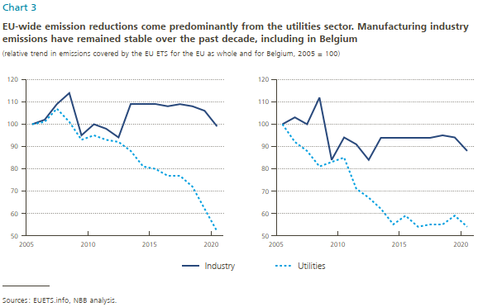
 | LEFT |  | RIGHT
 | Industry | Utilities | Industry | Utilities
2005 | 100 | 100 | 100 | 100
2006 | 102 | 101 | 103 | 92
2007 | 109 | 107 | 100 | 88
2008 | 114 | 101 | 112 | 81
2009 | 95 | 93 | 84 | 83
2010 | 100 | 95 | 94 | 85
2011 | 98 | 93 | 91 | 71
2012 | 94 | 92 | 84 | 67
2013 | 109 | 88 | 94 | 62
2014 | 109 | 81 | 94 | 55
2015 | 109 | 80 | 94 | 59
2016 | 108 | 77 | 94 | 54
2017 | 109 | 77 | 94 | 55
2018 | 108 | 72 | 95 | 55
2019 | 106 | 62 | 94 | 59
2020 | 99 | 52 | 88 | 54

Chart 4
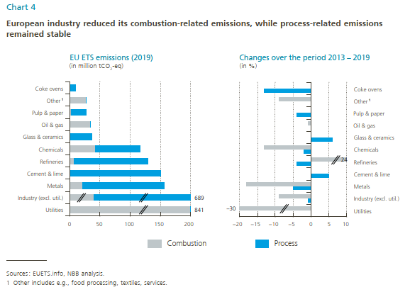
 | LEFT |  | RIGHT
 | Combustion | Process | Process | Combustion
Utilities | 837 | 4 | 0 | -30
Industry (excl. util.) | 137 | 552 | -1 | -9
Metals | 21 | 136 | -5 | -18
Cement & lime | 1 | 150 | 5 | 0
Refineries | 8 | 122 | -4 | 24
Chemicals | 42 | 74 | -2 | -13
Glass & ceramics | 1 | 36 | 6 | 0
Oil & gas | 34 | 0 | 0 | -1
Pulp & paper | 3 | 25 | -4 | 0
Other | 27 | 0 | 0 | -9
Coke ovens | 0 | 10 | -13 | 0

Chart 5
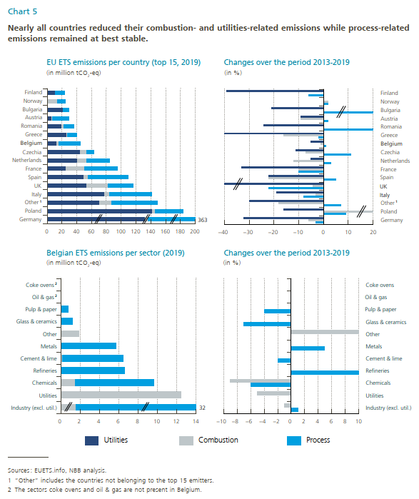
 | TOP RIGHT |  |  | TOP LEFT
 | Process | Combustion | Utilities | Utilities | Combustion | Process
Germany | -3 | -6 | -32 | 239 | 7 | 117
Poland | 9 | 49 | -16 | 142 | 4 | 38
Other 1 | 7 | -18 | -30 | 71 | 17 | 61
Italy | -8 | -3 | -19 | 77 | 7 | 57
UK | -22 | -4 | -64 | 53 | 29 | 33
Spain | 5 | -22 | -22 | 49 | 6 | 55
France | -10 | -10 | -33 | 25 | 24 | 45
Netherlands | 3 | -12 | -5 | 41 | 13 | 30
Czechia | 11 | -7 | -11 | 45 | 8 | 10
Belgium | 1 | -1 | -5 | 12 | 3 | 29
Greece | -2 | -16 | -40 | 26 | 1 | 13
Romania | 21 | 0 | -24 | 20 | 3 | 14
Austria | 2 | -9 | -9 | 6 | 1 | 22
Bulgaria | 37 | 0 | -21 | 21 | 0 | 8
Norway | 2 | 2 | 0 | 0 | 14 | 11
Finland | -6 | 0 | -39 | 11 | 0 | 12

 | BOTTOM LEFT |  | BOTTOM RIGHT
 | Combustion | Process | Process | Combustion
Industry (excl. util.) | 3.5 | 28.7 | 1 | -1
Utilities | 12.5 | 0 | 0 | -5
Chemicals | 1.5 | 8.1 | -6 | -9
Refineries | 0 | 6.6 | 11 | 0
Cement & lime | 0.1 | 6.3 | -2 | 0
Metals | 0 | 5.7 | 5 | 0
Other | 1.9 | 0 | 0 | 10
Glass & ceramics | 0 | 1.2 | -7 | 0
Pulp & paper | 0 | 0.7 | -4 | 0
Oil & gas | 0 | 0 | 0 | 0
Coke ovens | 0 | 0 | 0 | 0

Chart 6
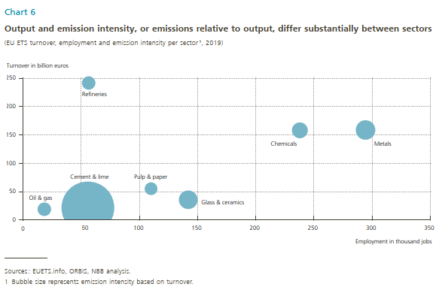
Employment | Turnover | emission intensity | industry
55.723 | 21.739 | 4809 | Cement & lime
237.87 | 158.066 | 433 | Chemicals
141.948 | 35.844 | 603 | Glass & ceramics
294.353 | 158.577 | 663 | Metals
18.234 | 19.165 | 322 | Oil & gas
110.014 | 55.317 | 284 | Pulp & paper
56.379 | 241.34 | 312 | Refineries

Chart 7
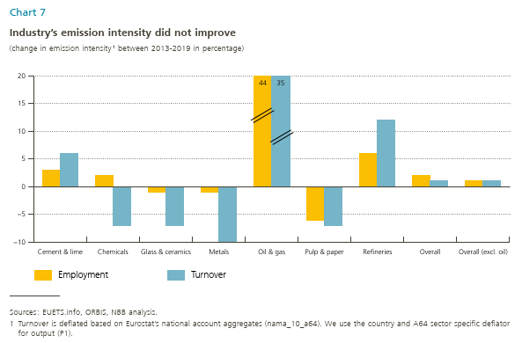
industry | Employment | Turnover
Cement & lime | 3 | 6
Chemicals | 2 | -7
Glass & ceramics | -1 | -7
Metals | -1 | -10
Oil & gas | 44 | 35
Pulp & paper | -6 | -7
Refineries | 6 | 12
Overall | 2 | 1
Overall (excl. oil) | 1 | 1

Chart 8
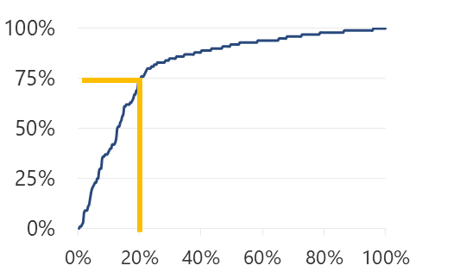
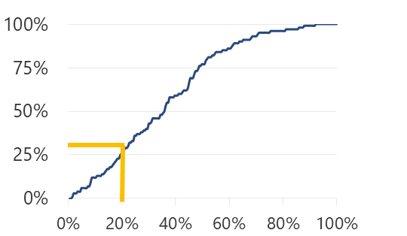
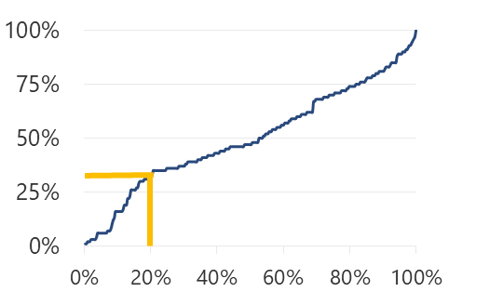
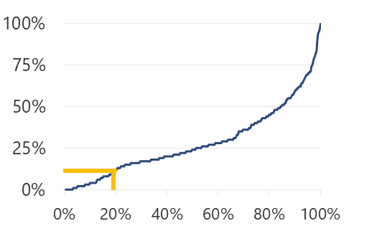
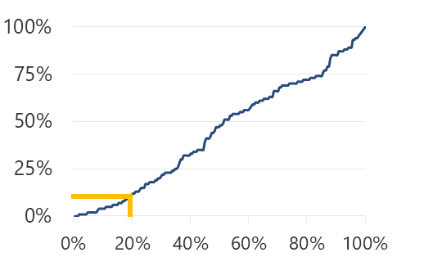
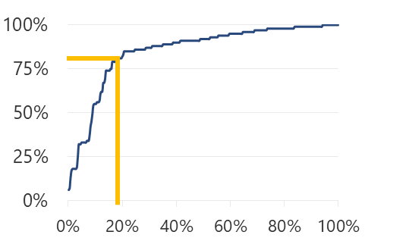

Cumulative emissions |  | Cumulative emissions |  | Cumulative emissions |  | Cumulative employment |  | Cumulative employment |  | Cumulative employment
METALS |  | CHEMICALS |  | CEMENT & LIME |  | METALS |  | CHEMICALS |  | CEMENT & LIME

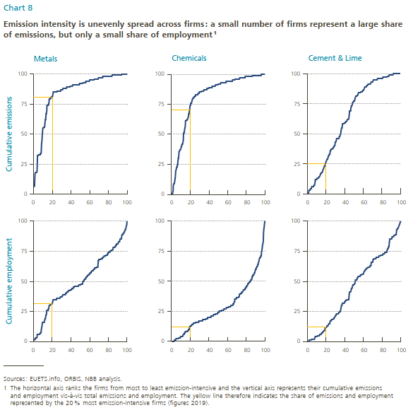
horizontal axis | vertical axis | horizontal axis | vertical axis | horizontal axis | vertical axis | horizontal axis | vertical axis | horizontal axis | vertical axis | horizontal axis | vertical axis
336 | 6 | 327 | 0 | 483 | 0 | 336 | 1 | 327 | 0 | 483 | 0
671 | 7 | 654 | 1 | 966 | 0 | 671 | 1 | 654 | 0 | 966 | 0
1007 | 13 | 980 | 1 | 1449 | 1 | 1007 | 2 | 980 | 0 | 1449 | 0
1342 | 17 | 1307 | 2 | 1932 | 3 | 1342 | 2 | 1307 | 0 | 1932 | 1
1678 | 18 | 1634 | 3 | 2415 | 3 | 1678 | 2 | 1634 | 0 | 2415 | 1
2013 | 18 | 1961 | 8 | 2899 | 3 | 2013 | 3 | 1961 | 0 | 2899 | 1
2349 | 18 | 2288 | 9 | 3382 | 4 | 2349 | 3 | 2288 | 0 | 3382 | 1
2685 | 18 | 2614 | 9 | 3865 | 4 | 2685 | 3 | 2614 | 0 | 3865 | 1
3020 | 18 | 2941 | 9 | 4348 | 4 | 3020 | 3 | 2941 | 0 | 4348 | 1
3356 | 19 | 3268 | 11 | 4831 | 6 | 3356 | 3 | 3268 | 1 | 4831 | 2
3691 | 25 | 3595 | 12 | 5314 | 6 | 3691 | 4 | 3595 | 1 | 5314 | 2
4027 | 32 | 3922 | 15 | 5797 | 6 | 4027 | 6 | 3922 | 1 | 5797 | 2
4362 | 32 | 4248 | 18 | 6280 | 6 | 4362 | 6 | 4248 | 1 | 6280 | 2
4698 | 32 | 4575 | 20 | 6763 | 6 | 4698 | 6 | 4575 | 1 | 6763 | 2
5034 | 33 | 4902 | 21 | 7246 | 7 | 5034 | 6 | 4902 | 2 | 7246 | 2
5369 | 33 | 5229 | 22 | 7729 | 7 | 5369 | 6 | 5229 | 2 | 7729 | 2
5705 | 33 | 5556 | 23 | 8213 | 9 | 5705 | 6 | 5556 | 2 | 8213 | 3
6040 | 33 | 5882 | 23 | 8696 | 12 | 6040 | 6 | 5882 | 2 | 8696 | 4
6376 | 33 | 6209 | 25 | 9179 | 12 | 6376 | 6 | 6209 | 2 | 9179 | 4
6711 | 33 | 6536 | 25 | 9662 | 12 | 6711 | 6 | 6536 | 2 | 9662 | 4
7047 | 34 | 6863 | 29 | 10145 | 12 | 7047 | 7 | 6863 | 2 | 10145 | 4
7383 | 34 | 7190 | 30 | 10628 | 13 | 7383 | 7 | 7190 | 2 | 10628 | 4
7718 | 34 | 7516 | 30 | 11111 | 13 | 7718 | 7 | 7516 | 2 | 11111 | 5
8054 | 37 | 7843 | 35 | 11594 | 13 | 8054 | 8 | 7843 | 3 | 11594 | 5
8389 | 42 | 8170 | 36 | 12077 | 13 | 8389 | 10 | 8170 | 3 | 12077 | 5
8725 | 45 | 8497 | 36 | 12560 | 14 | 8725 | 12 | 8497 | 3 | 12560 | 5
9060 | 49 | 8824 | 37 | 13043 | 14 | 9060 | 13 | 8824 | 3 | 13043 | 5
9396 | 54 | 9150 | 37 | 13527 | 15 | 9396 | 16 | 9150 | 3 | 13527 | 6
9732 | 55 | 9477 | 37 | 14010 | 16 | 9732 | 16 | 9477 | 3 | 14010 | 6
10067 | 55 | 9804 | 38 | 14493 | 17 | 10067 | 16 | 9804 | 4 | 14493 | 6
10403 | 55 | 10131 | 39 | 14976 | 17 | 10403 | 16 | 10131 | 4 | 14976 | 6
10738 | 56 | 10458 | 40 | 15459 | 18 | 10738 | 16 | 10458 | 4 | 15459 | 7
11074 | 56 | 10784 | 40 | 15942 | 18 | 11074 | 16 | 10784 | 4 | 15942 | 7
11409 | 56 | 11111 | 42 | 16425 | 19 | 11409 | 16 | 11111 | 4 | 16425 | 7
11745 | 57 | 11438 | 42 | 16908 | 20 | 11745 | 17 | 11438 | 4 | 16908 | 8
12081 | 61 | 11765 | 42 | 17391 | 21 | 12081 | 19 | 11765 | 4 | 17391 | 8
12416 | 62 | 12092 | 43 | 17874 | 22 | 12416 | 19 | 12092 | 4 | 17874 | 9
12752 | 62 | 12418 | 45 | 18357 | 23 | 12752 | 19 | 12418 | 5 | 18357 | 9
13087 | 67 | 12745 | 50 | 18841 | 23 | 13087 | 22 | 12745 | 6 | 18841 | 10
13423 | 67 | 13072 | 51 | 19324 | 25 | 13423 | 22 | 13072 | 6 | 19324 | 11
13758 | 69 | 13399 | 51 | 19807 | 26 | 13758 | 23 | 13399 | 6 | 19807 | 11
14094 | 74 | 13725 | 53 | 20290 | 27 | 14094 | 26 | 13725 | 6 | 20290 | 12
14430 | 74 | 14052 | 54 | 20773 | 28 | 14430 | 26 | 14052 | 7 | 20773 | 12
14765 | 74 | 14379 | 56 | 21256 | 29 | 14765 | 26 | 14379 | 7 | 21256 | 13
15101 | 74 | 14706 | 57 | 21739 | 29 | 15101 | 26 | 14706 | 7 | 21739 | 13
15436 | 74 | 15033 | 61 | 22222 | 30 | 15436 | 26 | 15033 | 8 | 22222 | 13
15772 | 75 | 15359 | 61 | 22705 | 32 | 15772 | 27 | 15359 | 8 | 22705 | 14
16107 | 75 | 15686 | 62 | 23188 | 32 | 16107 | 27 | 15686 | 8 | 23188 | 15
16443 | 79 | 16013 | 62 | 23671 | 33 | 16443 | 29 | 16013 | 8 | 23671 | 15
16779 | 79 | 16340 | 62 | 24155 | 33 | 16779 | 30 | 16340 | 8 | 24155 | 15
17114 | 79 | 16667 | 62 | 24638 | 36 | 17114 | 30 | 16667 | 8 | 24638 | 17
17450 | 79 | 16993 | 63 | 25121 | 36 | 17450 | 30 | 16993 | 8 | 25121 | 17
17785 | 80 | 17320 | 63 | 25604 | 37 | 17785 | 30 | 17320 | 9 | 25604 | 17
18121 | 80 | 17647 | 64 | 26087 | 37 | 18121 | 31 | 17647 | 9 | 26087 | 18
18456 | 80 | 17974 | 65 | 26570 | 37 | 18456 | 31 | 17974 | 9 | 26570 | 18
18792 | 81 | 18301 | 67 | 27053 | 38 | 18792 | 31 | 18301 | 10 | 27053 | 18
19128 | 81 | 18627 | 67 | 27536 | 38 | 19128 | 31 | 18627 | 10 | 27536 | 18
19463 | 81 | 18954 | 69 | 28019 | 39 | 19463 | 31 | 18954 | 10 | 28019 | 19
19799 | 81 | 19281 | 69 | 28502 | 39 | 19799 | 31 | 19281 | 10 | 28502 | 19
20134 | 82 | 19608 | 73 | 28986 | 40 | 20134 | 32 | 19608 | 12 | 28986 | 20
20470 | 83 | 19935 | 74 | 29469 | 40 | 20470 | 33 | 19935 | 12 | 29469 | 20
20805 | 85 | 20261 | 74 | 29952 | 43 | 20805 | 35 | 20261 | 12 | 29952 | 21
21141 | 85 | 20588 | 76 | 30435 | 43 | 21141 | 35 | 20588 | 13 | 30435 | 22
21477 | 85 | 20915 | 76 | 30918 | 44 | 21477 | 35 | 20915 | 13 | 30918 | 22
21812 | 85 | 21242 | 76 | 31401 | 46 | 21812 | 35 | 21242 | 13 | 31401 | 23
22148 | 85 | 21569 | 77 | 31884 | 46 | 22148 | 35 | 21569 | 13 | 31884 | 23
22483 | 85 | 21895 | 78 | 32367 | 46 | 22483 | 35 | 21895 | 14 | 32367 | 23
22819 | 85 | 22222 | 79 | 32850 | 46 | 22819 | 35 | 22222 | 14 | 32850 | 23
23154 | 85 | 22549 | 80 | 33333 | 46 | 23154 | 35 | 22549 | 14 | 33333 | 23
23490 | 85 | 22876 | 80 | 33816 | 46 | 23490 | 35 | 22876 | 14 | 33816 | 24
23826 | 85 | 23203 | 80 | 34300 | 48 | 23826 | 35 | 23203 | 14 | 34300 | 24
24161 | 85 | 23529 | 80 | 34783 | 48 | 24161 | 35 | 23529 | 15 | 34783 | 25
24497 | 85 | 23856 | 81 | 35266 | 49 | 24497 | 35 | 23856 | 15 | 35266 | 25
24832 | 86 | 24183 | 81 | 35749 | 50 | 24832 | 36 | 24183 | 15 | 35749 | 26
25168 | 86 | 24510 | 81 | 36232 | 53 | 25168 | 36 | 24510 | 15 | 36232 | 28
25503 | 86 | 24837 | 82 | 36715 | 55 | 25503 | 36 | 24837 | 15 | 36715 | 30
25839 | 86 | 25163 | 82 | 37198 | 55 | 25839 | 36 | 25163 | 15 | 37198 | 30
26174 | 86 | 25490 | 82 | 37681 | 58 | 26174 | 36 | 25490 | 15 | 37681 | 32
26510 | 86 | 25817 | 83 | 38164 | 58 | 26510 | 36 | 25817 | 16 | 38164 | 32
26846 | 86 | 26144 | 83 | 38647 | 58 | 26846 | 36 | 26144 | 16 | 38647 | 32
27181 | 86 | 26471 | 83 | 39130 | 58 | 27181 | 36 | 26471 | 16 | 39130 | 32
27517 | 86 | 26797 | 83 | 39614 | 59 | 27517 | 36 | 26797 | 16 | 39614 | 32
27852 | 86 | 27124 | 83 | 40097 | 59 | 27852 | 36 | 27124 | 16 | 40097 | 33
28188 | 86 | 27451 | 83 | 40580 | 59 | 28188 | 36 | 27451 | 16 | 40580 | 33
28523 | 86 | 27778 | 83 | 41063 | 60 | 28523 | 37 | 27778 | 16 | 41063 | 34
28859 | 87 | 28105 | 83 | 41546 | 60 | 28859 | 37 | 28105 | 16 | 41546 | 34
29195 | 87 | 28431 | 84 | 42029 | 60 | 29195 | 37 | 28431 | 16 | 42029 | 34
29530 | 87 | 28758 | 84 | 42512 | 61 | 29530 | 37 | 28758 | 16 | 42512 | 35
29866 | 87 | 29085 | 84 | 42995 | 62 | 29866 | 37 | 29085 | 16 | 42995 | 35
30201 | 87 | 29412 | 84 | 43478 | 62 | 30201 | 37 | 29412 | 17 | 43478 | 35
30537 | 87 | 29739 | 85 | 43961 | 62 | 30537 | 38 | 29739 | 17 | 43961 | 35
30872 | 87 | 30065 | 85 | 44444 | 63 | 30872 | 38 | 30065 | 17 | 44444 | 35
31208 | 88 | 30392 | 85 | 44928 | 66 | 31208 | 39 | 30392 | 17 | 44928 | 39
31544 | 88 | 30719 | 85 | 45411 | 69 | 31544 | 39 | 30719 | 17 | 45411 | 41
31879 | 88 | 31046 | 85 | 45894 | 69 | 31879 | 39 | 31046 | 17 | 45894 | 41
32215 | 88 | 31373 | 85 | 46377 | 69 | 32215 | 39 | 31373 | 17 | 46377 | 41
32550 | 88 | 31699 | 85 | 46860 | 71 | 32550 | 39 | 31699 | 17 | 46860 | 42
32886 | 88 | 32026 | 86 | 47343 | 73 | 32886 | 39 | 32026 | 17 | 47343 | 44
33221 | 88 | 32353 | 86 | 47826 | 73 | 33221 | 39 | 32353 | 17 | 47826 | 44
33557 | 88 | 32680 | 86 | 48309 | 74 | 33557 | 39 | 32680 | 17 | 48309 | 45
33893 | 88 | 33007 | 86 | 48792 | 76 | 33893 | 39 | 33007 | 17 | 48792 | 47
34228 | 88 | 33333 | 86 | 49275 | 76 | 34228 | 40 | 33333 | 17 | 49275 | 47
34564 | 88 | 33660 | 86 | 49758 | 77 | 34564 | 40 | 33660 | 18 | 49758 | 47
34899 | 88 | 33987 | 86 | 50242 | 77 | 34899 | 40 | 33987 | 18 | 50242 | 48
35235 | 89 | 34314 | 86 | 50725 | 77 | 35235 | 40 | 34314 | 18 | 50725 | 48
35570 | 89 | 34641 | 87 | 51208 | 79 | 35570 | 41 | 34641 | 18 | 51208 | 49
35906 | 89 | 34967 | 87 | 51691 | 80 | 35906 | 41 | 34967 | 18 | 51691 | 51
36242 | 89 | 35294 | 87 | 52174 | 81 | 36242 | 41 | 35294 | 18 | 52174 | 51
36577 | 89 | 35621 | 87 | 52657 | 81 | 36577 | 41 | 35621 | 18 | 52657 | 51
36913 | 89 | 35948 | 87 | 53140 | 81 | 36913 | 41 | 35948 | 18 | 53140 | 51
37248 | 89 | 36275 | 87 | 53623 | 82 | 37248 | 42 | 36275 | 18 | 53623 | 53
37584 | 89 | 36601 | 87 | 54106 | 82 | 37584 | 42 | 36601 | 18 | 54106 | 53
37919 | 89 | 36928 | 87 | 54589 | 83 | 37919 | 42 | 36928 | 19 | 54589 | 54
38255 | 89 | 37255 | 87 | 55072 | 84 | 38255 | 42 | 37255 | 19 | 55072 | 54
38591 | 89 | 37582 | 87 | 55556 | 84 | 38591 | 42 | 37582 | 19 | 55556 | 54
38926 | 90 | 37908 | 88 | 56039 | 84 | 38926 | 42 | 37908 | 19 | 56039 | 54
39262 | 90 | 38235 | 88 | 56522 | 84 | 39262 | 43 | 38235 | 19 | 56522 | 54
39597 | 90 | 38562 | 88 | 57005 | 84 | 39597 | 43 | 38562 | 19 | 57005 | 55
39933 | 90 | 38889 | 88 | 57488 | 85 | 39933 | 43 | 38889 | 20 | 57488 | 55
40268 | 90 | 39216 | 88 | 57971 | 85 | 40268 | 43 | 39216 | 20 | 57971 | 55
40604 | 90 | 39542 | 88 | 58454 | 85 | 40604 | 43 | 39542 | 20 | 58454 | 56
40940 | 90 | 39869 | 88 | 58937 | 85 | 40940 | 44 | 39869 | 20 | 58937 | 56
41275 | 90 | 40196 | 89 | 59420 | 86 | 41275 | 44 | 40196 | 20 | 59420 | 56
41611 | 91 | 40523 | 89 | 59903 | 86 | 41611 | 44 | 40523 | 20 | 59903 | 56
41946 | 91 | 40850 | 89 | 60386 | 86 | 41946 | 44 | 40850 | 20 | 60386 | 57
42282 | 91 | 41176 | 89 | 60870 | 87 | 42282 | 44 | 41176 | 20 | 60870 | 58
42617 | 91 | 41503 | 89 | 61353 | 88 | 42617 | 45 | 41503 | 20 | 61353 | 59
42953 | 91 | 41830 | 89 | 61836 | 89 | 42953 | 45 | 41830 | 20 | 61836 | 59
43289 | 91 | 42157 | 89 | 62319 | 89 | 43289 | 45 | 42157 | 20 | 62319 | 60
43624 | 91 | 42484 | 89 | 62802 | 89 | 43624 | 45 | 42484 | 21 | 62802 | 60
43960 | 91 | 42810 | 89 | 63285 | 89 | 43960 | 46 | 42810 | 21 | 63285 | 60
44295 | 91 | 43137 | 89 | 63768 | 90 | 44295 | 46 | 43137 | 21 | 63768 | 61
44631 | 91 | 43464 | 90 | 64251 | 90 | 44631 | 46 | 43464 | 21 | 64251 | 61
44966 | 91 | 43791 | 90 | 64734 | 90 | 44966 | 46 | 43791 | 21 | 64734 | 61
45302 | 91 | 44118 | 90 | 65217 | 91 | 45302 | 46 | 44118 | 21 | 65217 | 62
45638 | 91 | 44444 | 90 | 65700 | 91 | 45638 | 46 | 44444 | 21 | 65700 | 62
45973 | 91 | 44771 | 90 | 66184 | 91 | 45973 | 46 | 44771 | 21 | 66184 | 62
46309 | 91 | 45098 | 90 | 66667 | 91 | 46309 | 46 | 45098 | 22 | 66667 | 62
46644 | 91 | 45425 | 90 | 67150 | 91 | 46644 | 46 | 45425 | 22 | 67150 | 63
46980 | 91 | 45752 | 90 | 67633 | 91 | 46980 | 46 | 45752 | 22 | 67633 | 63
47315 | 91 | 46078 | 90 | 68116 | 92 | 47315 | 46 | 46078 | 22 | 68116 | 63
47651 | 91 | 46405 | 90 | 68599 | 93 | 47651 | 46 | 46405 | 22 | 68599 | 66
47987 | 91 | 46732 | 90 | 69082 | 93 | 47987 | 46 | 46732 | 22 | 69082 | 66
48322 | 91 | 47059 | 91 | 69565 | 93 | 48322 | 47 | 47059 | 22 | 69565 | 66
48658 | 91 | 47386 | 91 | 70048 | 93 | 48658 | 47 | 47386 | 23 | 70048 | 66
48993 | 92 | 47712 | 91 | 70531 | 94 | 48993 | 47 | 47712 | 23 | 70531 | 68
49329 | 92 | 48039 | 91 | 71014 | 95 | 49329 | 47 | 48039 | 23 | 71014 | 68
49664 | 92 | 48366 | 91 | 71498 | 95 | 49664 | 47 | 48366 | 23 | 71498 | 69
50000 | 92 | 48693 | 91 | 71981 | 95 | 50000 | 47 | 48693 | 23 | 71981 | 69
50336 | 92 | 49020 | 91 | 72464 | 95 | 50336 | 47 | 49020 | 23 | 72464 | 69
50671 | 92 | 49346 | 91 | 72947 | 95 | 50671 | 48 | 49346 | 23 | 72947 | 69
51007 | 92 | 49673 | 92 | 73430 | 95 | 51007 | 48 | 49673 | 24 | 73430 | 69
51342 | 92 | 50000 | 92 | 73913 | 95 | 51342 | 48 | 50000 | 24 | 73913 | 70
51678 | 92 | 50327 | 92 | 74396 | 95 | 51678 | 48 | 50327 | 24 | 74396 | 70
52013 | 92 | 50654 | 92 | 74879 | 95 | 52013 | 48 | 50654 | 24 | 74879 | 70
52349 | 92 | 50980 | 92 | 75362 | 96 | 52349 | 48 | 50980 | 24 | 75362 | 70
52685 | 93 | 51307 | 92 | 75845 | 96 | 52685 | 50 | 51307 | 25 | 75845 | 70
53020 | 93 | 51634 | 92 | 76329 | 96 | 53020 | 50 | 51634 | 25 | 76329 | 70
53356 | 93 | 51961 | 92 | 76812 | 96 | 53356 | 50 | 51961 | 25 | 76812 | 71
53691 | 93 | 52288 | 92 | 77295 | 96 | 53691 | 50 | 52288 | 25 | 77295 | 71
54027 | 93 | 52614 | 93 | 77778 | 96 | 54027 | 51 | 52614 | 25 | 77778 | 71
54362 | 93 | 52941 | 93 | 78261 | 96 | 54362 | 51 | 52941 | 25 | 78261 | 71
54698 | 93 | 53268 | 93 | 78744 | 96 | 54698 | 52 | 53268 | 25 | 78744 | 72
55034 | 93 | 53595 | 93 | 79227 | 96 | 55034 | 52 | 53595 | 26 | 79227 | 72
55369 | 93 | 53922 | 93 | 79710 | 96 | 55369 | 52 | 53922 | 26 | 79710 | 72
55705 | 94 | 54248 | 93 | 80193 | 96 | 55705 | 53 | 54248 | 26 | 80193 | 72
56040 | 94 | 54575 | 93 | 80676 | 96 | 56040 | 53 | 54575 | 26 | 80676 | 72
56376 | 94 | 54902 | 93 | 81159 | 97 | 56376 | 53 | 54902 | 26 | 81159 | 73
56711 | 94 | 55229 | 93 | 81643 | 97 | 56711 | 54 | 55229 | 26 | 81643 | 73
57047 | 94 | 55556 | 93 | 82126 | 97 | 57047 | 54 | 55556 | 26 | 82126 | 73
57383 | 94 | 55882 | 93 | 82609 | 97 | 57383 | 54 | 55882 | 26 | 82609 | 73
57718 | 94 | 56209 | 93 | 83092 | 97 | 57718 | 54 | 56209 | 27 | 83092 | 74
58054 | 94 | 56536 | 93 | 83575 | 97 | 58054 | 55 | 56536 | 27 | 83575 | 74
58389 | 94 | 56863 | 93 | 84058 | 97 | 58389 | 55 | 56863 | 27 | 84058 | 74
58725 | 94 | 57190 | 93 | 84541 | 97 | 58725 | 55 | 57190 | 27 | 84541 | 74
59060 | 94 | 57516 | 93 | 85024 | 97 | 59060 | 55 | 57516 | 27 | 85024 | 74
59396 | 94 | 57843 | 93 | 85507 | 97 | 59396 | 56 | 57843 | 27 | 85507 | 76
59732 | 95 | 58170 | 93 | 85990 | 98 | 59732 | 56 | 58170 | 27 | 85990 | 77
60067 | 95 | 58497 | 94 | 86473 | 98 | 60067 | 56 | 58497 | 27 | 86473 | 77
60403 | 95 | 58824 | 94 | 86957 | 98 | 60403 | 57 | 58824 | 28 | 86957 | 79
60738 | 95 | 59150 | 94 | 87440 | 98 | 60738 | 57 | 59150 | 28 | 87440 | 79
61074 | 95 | 59477 | 94 | 87923 | 99 | 61074 | 57 | 59477 | 28 | 87923 | 83
61409 | 95 | 59804 | 94 | 88406 | 99 | 61409 | 57 | 59804 | 28 | 88406 | 85
61745 | 95 | 60131 | 94 | 88889 | 99 | 61745 | 58 | 60131 | 28 | 88889 | 85
62081 | 95 | 60458 | 94 | 89372 | 99 | 62081 | 58 | 60458 | 28 | 89372 | 85
62416 | 95 | 60784 | 94 | 89855 | 99 | 62416 | 59 | 60784 | 28 | 89855 | 85
62752 | 95 | 61111 | 94 | 90338 | 99 | 62752 | 59 | 61111 | 28 | 90338 | 85
63087 | 95 | 61438 | 94 | 90821 | 99 | 63087 | 59 | 61438 | 29 | 90821 | 87
63423 | 95 | 61765 | 94 | 91304 | 99 | 63423 | 59 | 61765 | 29 | 91304 | 87
63758 | 95 | 62092 | 94 | 91787 | 99 | 63758 | 59 | 62092 | 29 | 91787 | 87
64094 | 95 | 62418 | 94 | 92271 | 100 | 64094 | 60 | 62418 | 29 | 92271 | 87
64430 | 95 | 62745 | 94 | 92754 | 100 | 64430 | 60 | 62745 | 29 | 92754 | 88
64765 | 96 | 63072 | 94 | 93237 | 100 | 64765 | 60 | 63072 | 29 | 93237 | 88
65101 | 96 | 63399 | 94 | 93720 | 100 | 65101 | 60 | 63399 | 29 | 93720 | 88
65436 | 96 | 63725 | 94 | 94203 | 100 | 65436 | 61 | 63725 | 30 | 94203 | 89
65772 | 96 | 64052 | 94 | 94686 | 100 | 65772 | 61 | 64052 | 30 | 94686 | 89
66107 | 96 | 64379 | 94 | 95169 | 100 | 66107 | 61 | 64379 | 30 | 95169 | 89
66443 | 96 | 64706 | 94 | 95652 | 100 | 66443 | 61 | 64706 | 30 | 95652 | 93
66779 | 96 | 65033 | 94 | 96135 | 100 | 66779 | 61 | 65033 | 30 | 96135 | 93
67114 | 96 | 65359 | 95 | 96618 | 100 | 67114 | 62 | 65359 | 30 | 96618 | 94
67450 | 96 | 65686 | 95 | 97101 | 100 | 67450 | 62 | 65686 | 30 | 97101 | 94
67785 | 96 | 66013 | 95 | 97585 | 100 | 67785 | 62 | 66013 | 31 | 97585 | 95
68121 | 96 | 66340 | 95 | 98068 | 100 | 68121 | 62 | 66340 | 31 | 98068 | 96
68456 | 96 | 66667 | 95 | 98551 | 100 | 68456 | 62 | 66667 | 31 | 98551 | 97
68792 | 96 | 66993 | 95 | 99034 | 100 | 68792 | 62 | 66993 | 32 | 99034 | 98
69128 | 97 | 67320 | 95 | 99517 | 100 | 69128 | 67 | 67320 | 33 | 99517 | 99
69463 | 97 | 67647 | 95 | 100000 | 100 | 69463 | 67 | 67647 | 33 | 100000 | 100
69799 | 97 | 67974 | 96 |  |  | 69799 | 68 | 67974 | 35
70134 | 97 | 68301 | 96 |  |  | 70134 | 68 | 68301 | 35
70470 | 97 | 68627 | 96 |  |  | 70470 | 68 | 68627 | 35
70805 | 97 | 68954 | 96 |  |  | 70805 | 68 | 68954 | 35
71141 | 97 | 69281 | 96 |  |  | 71141 | 68 | 69281 | 35
71477 | 97 | 69608 | 96 |  |  | 71477 | 68 | 69608 | 36
71812 | 97 | 69935 | 96 |  |  | 71812 | 68 | 69935 | 36
72148 | 97 | 70261 | 96 |  |  | 72148 | 69 | 70261 | 36
72483 | 97 | 70588 | 96 |  |  | 72483 | 69 | 70588 | 36
72819 | 97 | 70915 | 96 |  |  | 72819 | 69 | 70915 | 36
73154 | 97 | 71242 | 96 |  |  | 73154 | 69 | 71242 | 36
73490 | 97 | 71569 | 96 |  |  | 73490 | 69 | 71569 | 36
73826 | 98 | 71895 | 96 |  |  | 73826 | 70 | 71895 | 37
74161 | 98 | 72222 | 96 |  |  | 74161 | 70 | 72222 | 37
74497 | 98 | 72549 | 96 |  |  | 74497 | 70 | 72549 | 37
74832 | 98 | 72876 | 97 |  |  | 74832 | 70 | 72876 | 39
75168 | 98 | 73203 | 97 |  |  | 75168 | 70 | 73203 | 39
75503 | 98 | 73529 | 97 |  |  | 75503 | 71 | 73529 | 39
75839 | 98 | 73856 | 97 |  |  | 75839 | 71 | 73856 | 39
76175 | 98 | 74183 | 97 |  |  | 76175 | 71 | 74183 | 40
76510 | 98 | 74510 | 97 |  |  | 76510 | 71 | 74510 | 40
76846 | 98 | 74837 | 97 |  |  | 76846 | 71 | 74837 | 40
77181 | 98 | 75163 | 97 |  |  | 77181 | 71 | 75163 | 40
77517 | 98 | 75490 | 97 |  |  | 77517 | 72 | 75490 | 41
77852 | 98 | 75817 | 97 |  |  | 77852 | 72 | 75817 | 41
78188 | 98 | 76144 | 97 |  |  | 78188 | 72 | 76144 | 41
78523 | 98 | 76471 | 97 |  |  | 78523 | 72 | 76471 | 41
78859 | 98 | 76797 | 97 |  |  | 78859 | 72 | 76797 | 42
79195 | 98 | 77124 | 97 |  |  | 79195 | 73 | 77124 | 43
79530 | 98 | 77451 | 97 |  |  | 79530 | 73 | 77451 | 43
79866 | 98 | 77778 | 97 |  |  | 79866 | 74 | 77778 | 43
80201 | 98 | 78105 | 97 |  |  | 80201 | 74 | 78105 | 43
80537 | 98 | 78431 | 97 |  |  | 80537 | 74 | 78431 | 43
80872 | 98 | 78758 | 98 |  |  | 80872 | 74 | 78758 | 44
81208 | 98 | 79085 | 98 |  |  | 81208 | 74 | 79085 | 44
81544 | 98 | 79412 | 98 |  |  | 81544 | 74 | 79412 | 44
81879 | 98 | 79739 | 98 |  |  | 81879 | 75 | 79739 | 45
82215 | 98 | 80065 | 98 |  |  | 82215 | 75 | 80065 | 45
82550 | 98 | 80392 | 98 |  |  | 82550 | 75 | 80392 | 45
82886 | 98 | 80719 | 98 |  |  | 82886 | 75 | 80719 | 46
83221 | 98 | 81046 | 98 |  |  | 83221 | 76 | 81046 | 46
83557 | 98 | 81373 | 98 |  |  | 83557 | 76 | 81373 | 46
83893 | 99 | 81699 | 98 |  |  | 83893 | 76 | 81699 | 47
84228 | 99 | 82026 | 98 |  |  | 84228 | 76 | 82026 | 48
84564 | 99 | 82353 | 98 |  |  | 84564 | 76 | 82353 | 48
84899 | 99 | 82680 | 98 |  |  | 84899 | 77 | 82680 | 48
85235 | 99 | 83007 | 98 |  |  | 85235 | 78 | 83007 | 48
85570 | 99 | 83333 | 98 |  |  | 85570 | 78 | 83333 | 49
85906 | 99 | 83660 | 98 |  |  | 85906 | 78 | 83660 | 49
86242 | 99 | 83987 | 98 |  |  | 86242 | 78 | 83987 | 49
86577 | 99 | 84314 | 98 |  |  | 86577 | 78 | 84314 | 50
86913 | 99 | 84641 | 98 |  |  | 86913 | 79 | 84641 | 50
87248 | 99 | 84967 | 98 |  |  | 87248 | 79 | 84967 | 51
87584 | 99 | 85294 | 98 |  |  | 87584 | 79 | 85294 | 51
87919 | 99 | 85621 | 98 |  |  | 87919 | 80 | 85621 | 51
88255 | 99 | 85948 | 98 |  |  | 88255 | 80 | 85948 | 52
88591 | 99 | 86275 | 98 |  |  | 88591 | 80 | 86275 | 52
88926 | 99 | 86601 | 99 |  |  | 88926 | 81 | 86601 | 54
89262 | 99 | 86928 | 99 |  |  | 89262 | 81 | 86928 | 54
89597 | 99 | 87255 | 99 |  |  | 89597 | 81 | 87255 | 55
89933 | 99 | 87582 | 99 |  |  | 89933 | 81 | 87582 | 55
90268 | 99 | 87909 | 99 |  |  | 90268 | 81 | 87909 | 55
90604 | 99 | 88235 | 99 |  |  | 90604 | 82 | 88235 | 55
90940 | 99 | 88562 | 99 |  |  | 90940 | 83 | 88562 | 56
91275 | 99 | 88889 | 99 |  |  | 91275 | 83 | 88889 | 57
91611 | 99 | 89216 | 99 |  |  | 91611 | 83 | 89216 | 57
91946 | 99 | 89542 | 99 |  |  | 91946 | 83 | 89542 | 58
92282 | 99 | 89869 | 99 |  |  | 92282 | 84 | 89869 | 59
92617 | 99 | 90196 | 99 |  |  | 92617 | 85 | 90196 | 60
92953 | 99 | 90523 | 99 |  |  | 92953 | 85 | 90523 | 60
93289 | 99 | 90850 | 99 |  |  | 93289 | 85 | 90850 | 61
93624 | 99 | 91176 | 99 |  |  | 93624 | 85 | 91176 | 61
93960 | 99 | 91503 | 99 |  |  | 93960 | 85 | 91503 | 62
94295 | 100 | 91830 | 99 |  |  | 94295 | 88 | 91830 | 62
94631 | 100 | 92157 | 99 |  |  | 94631 | 89 | 92157 | 62
94966 | 100 | 92484 | 99 |  |  | 94966 | 89 | 92484 | 64
95302 | 100 | 92810 | 99 |  |  | 95302 | 89 | 92810 | 64
95638 | 100 | 93137 | 99 |  |  | 95638 | 89 | 93137 | 65
95973 | 100 | 93464 | 99 |  |  | 95973 | 90 | 93464 | 66
96309 | 100 | 93791 | 99 |  |  | 96309 | 90 | 93791 | 67
96644 | 100 | 94118 | 99 |  |  | 96644 | 90 | 94118 | 68
96980 | 100 | 94444 | 99 |  |  | 96980 | 91 | 94444 | 69
97315 | 100 | 94771 | 99 |  |  | 97315 | 91 | 94771 | 69
97651 | 100 | 95098 | 99 |  |  | 97651 | 92 | 95098 | 70
97987 | 100 | 95425 | 99 |  |  | 97987 | 93 | 95425 | 70
98322 | 100 | 95752 | 99 |  |  | 98322 | 93 | 95752 | 71
98658 | 100 | 96078 | 100 |  |  | 98658 | 94 | 96078 | 71
98993 | 100 | 96405 | 100 |  |  | 98993 | 95 | 96405 | 74
99329 | 100 | 96732 | 100 |  |  | 99329 | 96 | 96732 | 75
99664 | 100 | 97059 | 100 |  |  | 99664 | 97 | 97059 | 77
100000 | 100 | 97386 | 100 |  |  | 100000 | 100 | 97386 | 79
 |  | 97712 | 100 |  |  |  |  | 97712 | 80
 |  | 98039 | 100 |  |  |  |  | 98039 | 82
 |  | 98366 | 100 |  |  |  |  | 98366 | 83
 |  | 98693 | 100 |  |  |  |  | 98693 | 90
 |  | 99020 | 100 |  |  |  |  | 99020 | 94
 |  | 99346 | 100 |  |  |  |  | 99346 | 95
 |  | 99673 | 100 |  |  |  |  | 99673 | 97
 |  | 100000 | 100 |  |  |  |  | 100000 | 100

Chart 9
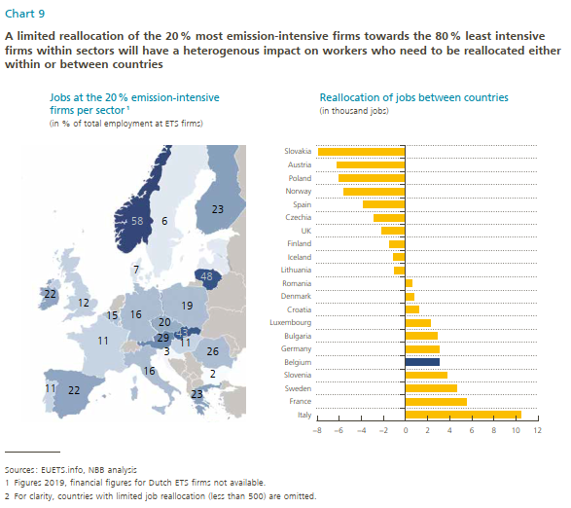
 | CHART LEFT |  | CHART RIGHT
country | percent |  | jobs
Austria | 29 | Italy | 10.499
Belgium | 15 | France | 5.527
Bulgaria | 2 | Sweden | 4.602
Croatia | 0 | Slovenia | 3.733
Czech | 20 | Belgium | 3.074
Denmark | 7 | Germany | 3.041
Estonia | 0 | Bulgaria | 2.86
Finland | 23 | Luxembourg | 2.253
France | 11 | Croatia | 1.175
Germany | 16 | Denmark | 0.777
Greece | 23 | Romania | 0.571
Hungary | 11 | Lithuania | -0.988
Ireland | 22 | Iceland | -1.154
Italy | 16 | Finland | -1.46
Latvia | 0 | UK | -2.135
Lithuania | 48 | Czechia | -2.839
Luxembourg | 12 | Spain | -3.84
Norway | 58 | Norway | -5.628
Poland | 19 | Poland | -6.083
Portugal | 11 | Austria | -6.223
Romania | 26 | Slovakia | -7.866
Slovakia | 43
Slovenia | 3
Spain | 22
Sweden | 6
UK | 12

Chart 10
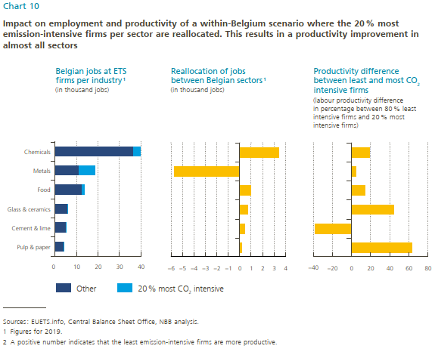
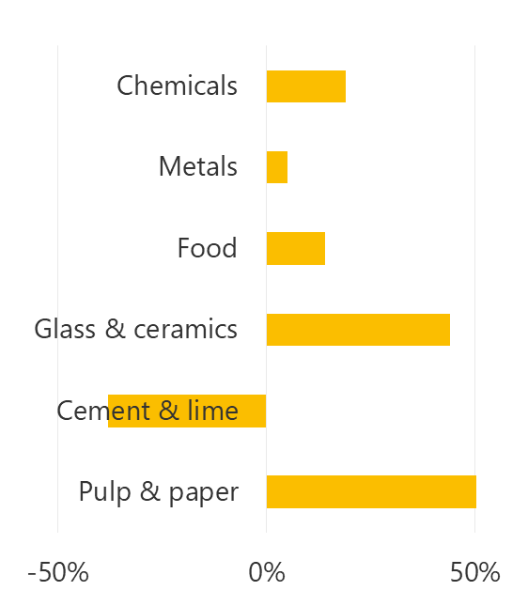
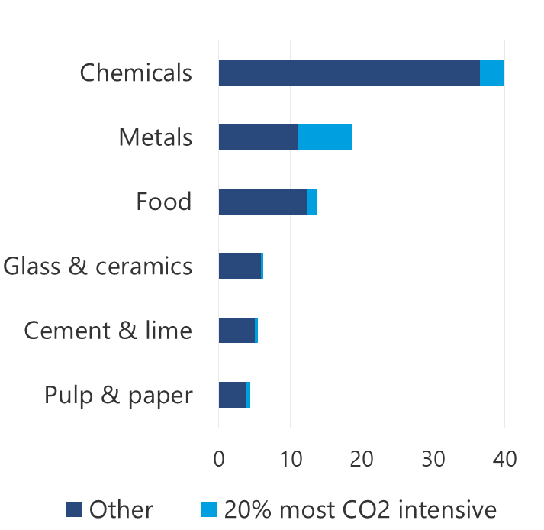
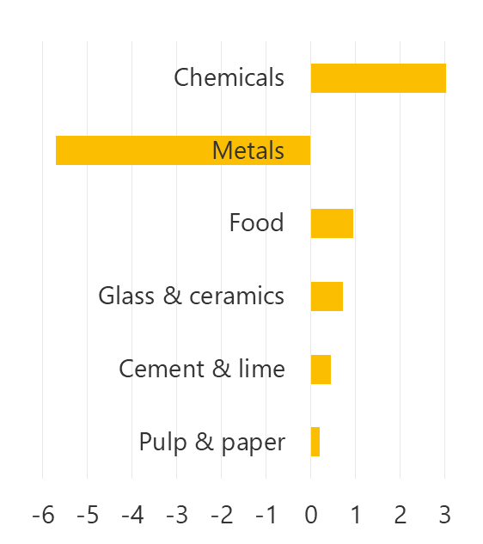

industry | Other | 20% most CO2 intensive | industry | jobs | industry | difference
Pulp & paper | 3.919 | 0.51 | Pulp & paper | 0.201 | Pulp & paper | 63
Cement & lime | 5.022 | 0.463 | Cement & lime | 0.447 | Cement & lime | -38
Glass & ceramics | 5.869 | 0.346 | Glass & ceramics | 0.718 | Glass & ceramics | 44
Food | 12.389 | 1.289 | Food | 0.957 | Food | 14
Metals | 11.032 | 7.71 | Metals | -5.71 | Metals | 5
Chemicals | 36.579 | 3.245 | Chemicals | 3.387 | Chemicals | 19

Chart 11
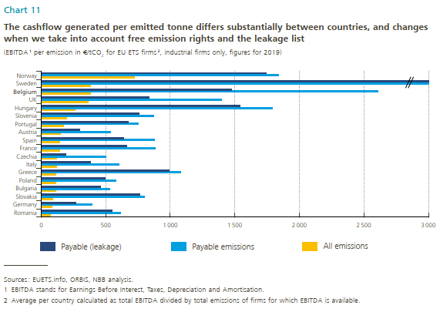
 | All emissions | Payable emissions | Payable (leakage)
Romania | 72 | 618 | 546
Germany | 86 | 393 | 272
Slovakia | 92 | 803 | 765
Bulgaria | 113 | 531 | 459
Poland | 115 | 581 | 496
Greece | 115 | 1080 | 992
Italy | 116 | 603 | 382
Czechia | 118 | 499 | 191
France | 141 | 884 | 662
Spain | 141 | 875 | 639
Austria | 147 | 535 | 300
Portugal | 173 | 754 | 677
Slovenia | 199 | 870 | 761
Hungary | 261 | 1791 | 1538
UK | 367 | 1394 | 833
Belgium | 380 | 2605 | 1475
Sweden | 382 | 5165 | 4005
Norway | 721 | 1840 | 1741

Chart 12
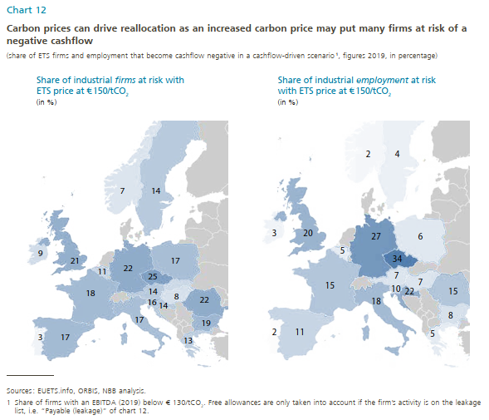
 | LEFT | RIGHT
Austria | 14 | 7
Belgium | 11 | 5
Bulgaria | 19 | 8
Croatia | 14 | 22
Czechia | 25 | 34
France | 18 | 15
Germany | 22 | 27
Greece | 13 | 5
Hungary | 8 | 7
Iceland | 33 | 35
Ireland | 9 | 3
Italy | 17 | 18
Norway | 7 | 2
Poland | 17 | 6
Portugal | 3 | 2
Romania | 22 | 15
Slovakia | 11 | 4
Slovenia | 16 | 10
Spain | 17 | 11
Sweden | 14 | 4
UK | 21 | 20

Chart 13
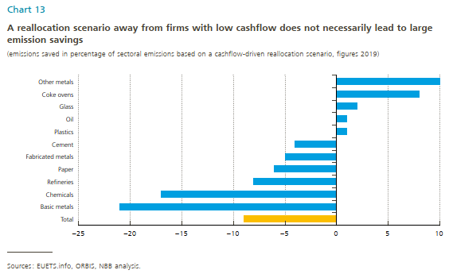
Total | -9
Basic metals | -21
Chemicals | -17
Refineries | -8
Paper | -6
Fabricated metals | -5
Cement | -4
Plastics | 1
Oil | 1
Glass | 2
Coke ovens | 8
Other metals | 10

