Figure 1
Left panel |  |  |  |  |  |  |  | Right panel

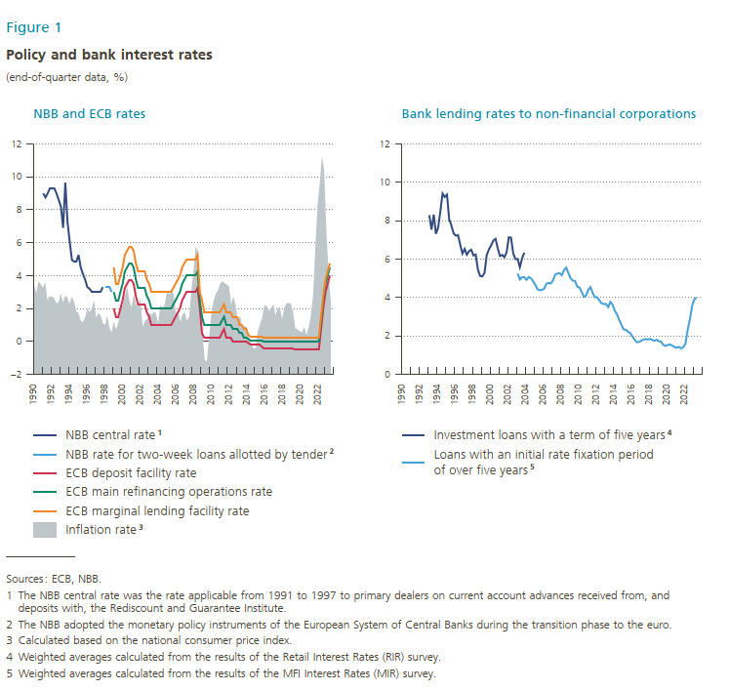
 | NBB sale and repurchase rate | NBB central rate¹ | NBB rate for credits allotted by tender for 2 weeks² | ECB deposit facility rate | ECB main refinancing operations rate | ECB marginal lending facility rate | t |  | t | Loans with an initial rate fixation over 5 years⁵
1990-03-31 | 9.88 |  |  |  |  |  | 3.40 | 1990-03-31
1990-06-30 | 9.25 |  |  |  |  |  | 2.98 | 1990-06-30
1990-09-30 | 8.69 |  |  |  |  |  | 3.69 | 1990-09-30
1990-12-31 | 10.00 |  |  |  |  |  | 3.49 | 1990-12-31
1991-03-31 |  | 9.00 |  |  |  |  | 3.29 | 1991-03-31
1991-06-30 |  | 8.75 |  |  |  |  | 3.62 | 1991-06-30
1991-09-30 |  | 9.00 |  |  |  |  | 2.53 | 1991-09-30
1991-12-31 |  | 9.30 |  |  |  |  | 2.78 | 1991-12-31
1992-03-31 |  | 9.30 |  |  |  |  | 2.73 | 1992-03-31
1992-06-30 |  | 9.30 |  |  |  |  | 2.66 | 1992-06-30
1992-09-30 |  | 9.00 |  |  |  |  | 2.33 | 1992-09-30
1992-12-31 |  | 8.60 |  |  |  |  | 2.39 | 1992-12-31
1993-03-31 |  | 8.20 |  |  |  |  | 2.94 | 1993-03-31 | 8.29
1993-06-30 |  | 6.90 |  |  |  |  | 2.38 | 1993-06-30 | 7.54
1993-09-30 |  | 9.65 |  |  |  |  | 2.81 | 1993-09-30 | 8.32
1993-12-31 |  | 7.25 |  |  |  |  | 2.69 | 1993-12-31 | 7.32
1994-03-31 |  | 6.05 |  |  |  |  | 2.30 | 1994-03-31 | 7.64
1994-06-30 |  | 4.95 |  |  |  |  | 2.75 | 1994-06-30 | 8.49
1994-09-30 |  | 4.85 |  |  |  |  | 2.46 | 1994-09-30 | 9.42
1994-12-31 |  | 4.85 |  |  |  |  | 1.86 | 1994-12-31 | 9.24
1995-03-31 |  | 5.25 |  |  |  |  | 1.75 | 1995-03-31 | 9.36
1995-06-30 |  | 4.50 |  |  |  |  | 1.28 | 1995-06-30 | 8.07
1995-09-30 |  | 4.10 |  |  |  |  | 1.20 | 1995-09-30 | 7.75
1995-12-31 |  | 3.75 |  |  |  |  | 1.47 | 1995-12-31 | 7.34
1996-03-31 |  | 3.30 |  |  |  |  | 2.03 | 1996-03-31 | 7.22
1996-06-30 |  | 3.20 |  |  |  |  | 1.80 | 1996-06-30 | 7.25
1996-09-30 |  | 3.00 |  |  |  |  | 1.97 | 1996-09-30 | 6.75
1996-12-31 |  | 3.00 |  |  |  |  | 2.55 | 1996-12-31 | 6.29
1997-03-31 |  | 3.00 |  |  |  |  | 1.46 | 1997-03-31 | 6.53
1997-06-30 |  | 3.00 |  |  |  |  | 1.74 | 1997-06-30 | 6.23
1997-09-30 |  | 3.00 |  |  |  |  | 1.61 | 1997-09-30 | 6.42
1997-12-31 |  | 3.30 |  |  |  |  | 1.13 | 1997-12-31 | 6.49
1998-03-31 |  |  | 3.30 |  |  |  | 1.02 | 1998-03-31 | 6.19
1998-06-30 |  |  | 3.30 |  |  |  | 1.58 | 1998-06-30 | 6.24
1998-09-30 |  |  | 3.30 |  |  |  | 0.83 | 1998-09-30 | 5.46
1998-12-31 |  |  | 3.00 |  |  |  | 0.59 | 1998-12-31 | 5.12
1999-03-31 |  |  |  | 2.00 | 3.00 | 4.50 | 1.24 | 1999-03-31 | 5.10
1999-06-30 |  |  |  | 1.50 | 2.50 | 3.50 | 0.74 | 1999-06-30 | 5.28
1999-09-30 |  |  |  | 1.50 | 2.50 | 3.50 | 1.18 | 1999-09-30 | 6.21
1999-12-31 |  |  |  | 2.00 | 3.00 | 4.00 | 1.93 | 1999-12-31 | 6.51
2000-03-31 |  |  |  | 2.50 | 3.50 | 4.50 | 2.25 | 2000-03-31 | 6.72
2000-06-30 |  |  |  | 3.25 | 4.25 | 5.25 | 2.76 | 2000-06-30 | 6.97
2000-09-30 |  |  |  | 3.50 | 4.50 | 5.50 | 3.37 | 2000-09-30 | 7.06
2000-12-31 |  |  |  | 3.75 | 4.75 | 5.75 | 2.50 | 2000-12-31 | 6.56
2001-03-31 |  |  |  | 3.75 | 4.75 | 5.75 | 2.09 | 2001-03-31 | 6.16
2001-06-30 |  |  |  | 3.50 | 4.50 | 5.50 | 2.92 | 2001-06-30 | 6.22
2001-09-30 |  |  |  | 2.75 | 3.75 | 4.75 | 2.25 | 2001-09-30 | 6.10
2001-12-31 |  |  |  | 2.25 | 3.25 | 4.25 | 2.18 | 2001-12-31 | 6.36
2002-03-31 |  |  |  | 2.25 | 3.25 | 4.25 | 2.66 | 2002-03-31 | 7.14
2002-06-30 |  |  |  | 2.25 | 3.25 | 4.25 | 0.89 | 2002-06-30 | 7.12
2002-09-30 |  |  |  | 2.25 | 3.25 | 4.25 | 1.26 | 2002-09-30 | 6.30
2002-12-31 |  |  |  | 1.75 | 2.75 | 3.75 | 1.37 | 2002-12-31 | 6.00
2003-03-31 |  |  |  | 1.50 | 2.50 | 3.50 | 1.77 | 2003-03-31 | 6.01 | 5.25
2003-06-30 |  |  |  | 1.00 | 2.00 | 3.00 | 1.62 | 2003-06-30 | 5.58 | 4.94
2003-09-30 |  |  |  | 1.00 | 2.00 | 3.00 | 1.80 | 2003-09-30 | 6.03 | 5.08
2003-12-31 |  |  |  | 1.00 | 2.00 | 3.00 | 1.74 | 2003-12-31 | 6.34 | 5.08
2004-03-31 |  |  |  | 1.00 | 2.00 | 3.00 | 1.12 | 2004-03-31 |  | 4.92
2004-06-30 |  |  |  | 1.00 | 2.00 | 3.00 | 2.25 | 2004-06-30 |  | 5.07
2004-09-30 |  |  |  | 1.00 | 2.00 | 3.00 | 2.04 | 2004-09-30 |  | 5.00
2004-12-31 |  |  |  | 1.00 | 2.00 | 3.00 | 2.28 | 2004-12-31 |  | 4.85
2005-03-31 |  |  |  | 1.00 | 2.00 | 3.00 | 3.08 | 2005-03-31 |  | 4.66
2005-06-30 |  |  |  | 1.00 | 2.00 | 3.00 | 2.88 | 2005-06-30 |  | 4.43
2005-09-30 |  |  |  | 1.00 | 2.00 | 3.00 | 3.15 | 2005-09-30 |  | 4.38
2005-12-31 |  |  |  | 1.25 | 2.25 | 3.25 | 2.88 | 2005-12-31 |  | 4.40
2006-03-31 |  |  |  | 1.50 | 2.50 | 3.50 | 1.70 | 2006-03-31 |  | 4.45
2006-06-30 |  |  |  | 1.75 | 2.75 | 3.75 | 1.87 | 2006-06-30 |  | 4.71
2006-09-30 |  |  |  | 2.00 | 3.00 | 4.00 | 1.23 | 2006-09-30 |  | 4.76
2006-12-31 |  |  |  | 2.50 | 3.50 | 4.50 | 1.64 | 2006-12-31 |  | 4.73
2007-03-31 |  |  |  | 2.75 | 3.75 | 4.75 | 1.81 | 2007-03-31 |  | 4.89
2007-06-30 |  |  |  | 3.00 | 4.00 | 5.00 | 1.29 | 2007-06-30 |  | 5.19
2007-09-30 |  |  |  | 3.00 | 4.00 | 5.00 | 1.50 | 2007-09-30 |  | 5.25
2007-12-31 |  |  |  | 3.00 | 4.00 | 5.00 | 3.08 | 2007-12-31 |  | 5.27
2008-03-31 |  |  |  | 3.00 | 4.00 | 5.00 | 4.39 | 2008-03-31 |  | 5.16
2008-06-30 |  |  |  | 3.00 | 4.00 | 5.00 | 5.80 | 2008-06-30 |  | 5.43
2008-09-30 |  |  |  | 3.25 | 4.25 | 5.25 | 5.47 | 2008-09-30 |  | 5.56
2008-12-31 |  |  |  | 2.00 | 2.50 | 3.00 | 2.63 | 2008-12-31 |  | 5.26
2009-03-31 |  |  |  | 0.50 | 1.50 | 2.50 | 0.62 | 2009-03-31 |  | 5.00
2009-06-30 |  |  |  | 0.25 | 1.00 | 1.75 | -1.10 | 2009-06-30 |  | 4.88
2009-09-30 |  |  |  | 0.25 | 1.00 | 1.75 | -1.20 | 2009-09-30 |  | 4.86
2009-12-31 |  |  |  | 0.25 | 1.00 | 1.75 | 0.26 | 2009-12-31 |  | 4.57
2010-03-31 |  |  |  | 0.25 | 1.00 | 1.75 | 1.65 | 2010-03-31 |  | 4.52
2010-06-30 |  |  |  | 0.25 | 1.00 | 1.75 | 2.46 | 2010-06-30 |  | 4.30
2010-09-30 |  |  |  | 0.25 | 1.00 | 1.75 | 2.91 | 2010-09-30 |  | 4.03
2010-12-31 |  |  |  | 0.25 | 1.00 | 1.75 | 3.11 | 2010-12-31 |  | 4.11
2011-03-31 |  |  |  | 0.25 | 1.00 | 1.75 | 3.52 | 2011-03-31 |  | 4.41
2011-06-30 |  |  |  | 0.50 | 1.25 | 2.00 | 3.68 | 2011-06-30 |  | 4.54
2011-09-30 |  |  |  | 0.75 | 1.50 | 2.25 | 3.56 | 2011-09-30 |  | 4.23
2011-12-31 |  |  |  | 0.25 | 1.00 | 1.75 | 3.48 | 2011-12-31 |  | 4.01
2012-03-31 |  |  |  | 0.25 | 1.00 | 1.75 | 3.36 | 2012-03-31 |  | 4.02
2012-06-30 |  |  |  | 0.25 | 1.00 | 1.75 | 2.25 | 2012-06-30 |  | 3.85
2012-09-30 |  |  |  | 0.00 | 0.75 | 1.50 | 2.75 | 2012-09-30 |  | 3.70
2012-12-31 |  |  |  | 0.00 | 0.75 | 1.50 | 2.23 | 2012-12-31 |  | 3.66
2013-03-31 |  |  |  | 0.00 | 0.75 | 1.50 | 1.11 | 2013-03-31 |  | 3.67
2013-06-30 |  |  |  | 0.00 | 0.50 | 1.00 | 1.59 | 2013-06-30 |  | 3.50
2013-09-30 |  |  |  | 0.00 | 0.50 | 1.00 | 0.90 | 2013-09-30 |  | 3.77
2013-12-31 |  |  |  | 0.00 | 0.25 | 0.75 | 0.97 | 2013-12-31 |  | 3.62
2014-03-31 |  |  |  | 0.00 | 0.25 | 0.75 | 0.89 | 2014-03-31 |  | 3.31
2014-06-30 |  |  |  | -0.10 | 0.15 | 0.40 | 0.27 | 2014-06-30 |  | 3.12
2014-09-30 |  |  |  | -0.20 | 0.05 | 0.30 | -0.12 | 2014-09-30 |  | 2.83
2014-12-31 |  |  |  | -0.20 | 0.05 | 0.30 | -0.38 | 2014-12-31 |  | 2.57
2015-03-31 |  |  |  | -0.20 | 0.05 | 0.30 | -0.40 | 2015-03-31 |  | 2.34
2015-06-30 |  |  |  | -0.20 | 0.05 | 0.30 | 0.63 | 2015-06-30 |  | 2.32
2015-09-30 |  |  |  | -0.20 | 0.05 | 0.30 | 1.06 | 2015-09-30 |  | 2.21
2015-12-31 |  |  |  | -0.30 | 0.05 | 0.30 | 1.50 | 2015-12-31 |  | 2.15
2016-03-31 |  |  |  | -0.40 | 0.00 | 0.25 | 2.24 | 2016-03-31 |  | 1.97
2016-06-30 |  |  |  | -0.40 | 0.00 | 0.25 | 2.16 | 2016-06-30 |  | 1.80
2016-09-30 |  |  |  | -0.40 | 0.00 | 0.25 | 1.87 | 2016-09-30 |  | 1.67
2016-12-31 |  |  |  | -0.40 | 0.00 | 0.25 | 2.03 | 2016-12-31 |  | 1.69
2017-03-31 |  |  |  | -0.40 | 0.00 | 0.25 | 2.28 | 2017-03-31 |  | 1.75
2017-06-30 |  |  |  | -0.40 | 0.00 | 0.25 | 1.60 | 2017-06-30 |  | 1.81
2017-09-30 |  |  |  | -0.40 | 0.00 | 0.25 | 2.01 | 2017-09-30 |  | 1.84
2017-12-31 |  |  |  | -0.40 | 0.00 | 0.25 | 2.13 | 2017-12-31 |  | 1.81
2018-03-31 |  |  |  | -0.40 | 0.00 | 0.25 | 1.39 | 2018-03-31 |  | 1.85
2018-06-30 |  |  |  | -0.40 | 0.00 | 0.25 | 2.08 | 2018-06-30 |  | 1.78
2018-09-30 |  |  |  | -0.40 | 0.00 | 0.25 | 2.35 | 2018-09-30 |  | 1.75
2018-12-31 |  |  |  | -0.40 | 0.00 | 0.25 | 2.34 | 2018-12-31 |  | 1.80
2019-03-31 |  |  |  | -0.40 | 0.00 | 0.25 | 2.33 | 2019-03-31 |  | 1.72
2019-06-30 |  |  |  | -0.40 | 0.00 | 0.25 | 1.73 | 2019-06-30 |  | 1.69
2019-09-30 |  |  |  | -0.50 | 0.00 | 0.25 | 0.80 | 2019-09-30 |  | 1.53
2019-12-31 |  |  |  | -0.50 | 0.00 | 0.25 | 0.76 | 2019-12-31 |  | 1.48
2020-03-31 |  |  |  | -0.50 | 0.00 | 0.25 | 0.62 | 2020-03-31 |  | 1.53
2020-06-30 |  |  |  | -0.50 | 0.00 | 0.25 | 0.60 | 2020-06-30 |  | 1.55
2020-09-30 |  |  |  | -0.50 | 0.00 | 0.25 | 0.90 | 2020-09-30 |  | 1.50
2020-12-31 |  |  |  | -0.50 | 0.00 | 0.25 | 0.41 | 2020-12-31 |  | 1.42
2021-03-31 |  |  |  | -0.50 | 0.00 | 0.25 | 0.89 | 2021-03-31 |  | 1.38
2021-06-30 |  |  |  | -0.50 | 0.00 | 0.25 | 1.63 | 2021-06-30 |  | 1.43
2021-09-30 |  |  |  | -0.50 | 0.00 | 0.25 | 2.86 | 2021-09-30 |  | 1.35
2021-12-31 |  |  |  | -0.50 | 0.00 | 0.25 | 5.71 | 2021-12-31 |  | 1.41
2022-03-31 |  |  |  | -0.50 | 0.00 | 0.25 | 8.31 | 2022-03-31 |  | 1.60
2022-06-30 |  |  |  | -0.50 | 0.00 | 0.25 | 9.65 | 2022-06-30 |  | 2.32
2022-09-30 |  |  |  | 0.75 | 1.25 | 1.50 | 11.27 | 2022-09-30 |  | 2.86
2022-12-31 |  |  |  | 2.00 | 2.50 | 2.75 | 10.35 | 2022-12-31 |  | 3.55
2023-03-31 |  |  |  | 3.00 | 3.50 | 3.75 | 6.67 | 2023-03-31 |  | 3.91
2023-06-30 |  |  |  | 3.50 | 4.00 | 4.25 | 4.15 | 2023-06-30 |  | 3.99
2023-09-30 |  |  |  | 4.00 | 4.50 | 4.75 | 2.39 | 2023-09-30
2023-12-31 |  |  |  |  |  |  |  | 2023-12-31

Figure 2
Left panel |  |  |  | Center panel |  |  | Right panel

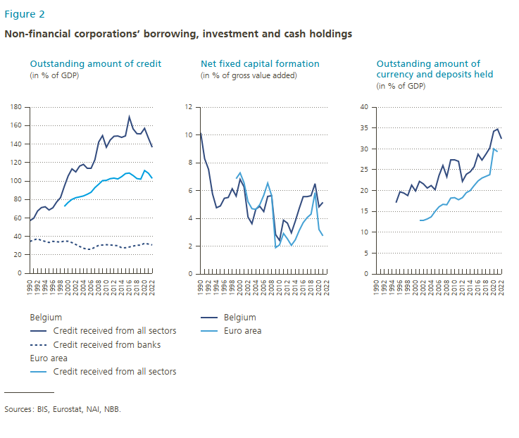
 | Belgium - Credit received from all sectors | Belgium - Credit received from banks | Euro area - Credit received from all sectors |  | Belgium | Euro area |  | Belgium | Euro area
1990 | 57.1 | 34.57 |  | 1990 | 10.2 |  | 1990
1991 | 59.7 | 36.23 |  | 1991 | 8.3 |  | 1991
1992 | 67.5 | 37.41 |  | 1992 | 7.5 |  | 1992
1993 | 71.2 | 35.66 |  | 1993 | 5.8 |  | 1993
1994 | 72.1 | 34.58 |  | 1994 | 4.8 |  | 1994
1995 | 68.6 | 33.44 |  | 1995 | 4.9 |  | 1995 | 17.1
1996 | 71 | 34.67 |  | 1996 | 5.4 |  | 1996 | 19.7
1997 | 77.3 | 34.24 |  | 1997 | 5.5 |  | 1997 | 19.4
1998 | 82 | 33.86 |  | 1998 | 6.1 |  | 1998 | 18.8
1999 | 94.2 | 35.02 | 72.5 | 1999 | 5.6 | 6.9 | 1999 | 21.3
2000 | 105.4 | 34.73 | 76.8 | 2000 | 6.8 | 7.3 | 2000 | 19.9
2001 | 113.1 | 33.30 | 80.1 | 2001 | 6.3 | 6.6 | 2001 | 22.2 | 12.8
2002 | 109.8 | 31.25 | 81.9 | 2002 | 4.1 | 5.2 | 2002 | 21.6 | 12.8
2003 | 116.1 | 29.16 | 82.8 | 2003 | 3.6 | 4.7 | 2003 | 20.6 | 13.2
2004 | 118 | 27.26 | 83.8 | 2004 | 4.7 | 4.6 | 2004 | 21.2 | 13.7
2005 | 113.6 | 26.29 | 85.6 | 2005 | 4.9 | 5.0 | 2005 | 20.2 | 15
2006 | 113.6 | 26.30 | 87.8 | 2006 | 4.5 | 5.7 | 2006 | 23.6 | 16.1
2007 | 123 | 28.33 | 92.8 | 2007 | 5.6 | 6.5 | 2007 | 26 | 16.7
2008 | 142.2 | 30.34 | 96.5 | 2008 | 5.6 | 5.6 | 2008 | 23.3 | 16.6
2009 | 149.1 | 30.70 | 100.4 | 2009 | 2.8 | 1.9 | 2009 | 27.3 | 18.2
2010 | 136.5 | 31.01 | 100.7 | 2010 | 2.4 | 2.1 | 2010 | 27.3 | 18.3
2011 | 144.3 | 30.80 | 102.5 | 2011 | 3.9 | 2.9 | 2011 | 27 | 17.8
2012 | 148.4 | 30.29 | 103.1 | 2012 | 3.7 | 2.5 | 2012 | 22.2 | 18.3
2013 | 148.7 | 29.96 | 102.2 | 2013 | 3.0 | 2.1 | 2013 | 23.9 | 19.5
2014 | 147.2 | 27.69 | 104.7 | 2014 | 3.8 | 2.5 | 2014 | 24.5 | 20
2015 | 148.8 | 27.72 | 108 | 2015 | 4.7 | 3.1 | 2015 | 25.7 | 21.2
2016 | 169.1 | 28.55 | 108.6 | 2016 | 5.6 | 3.7 | 2016 | 28.7 | 22.3
2017 | 156.4 | 29.52 | 105.9 | 2017 | 5.6 | 4.1 | 2017 | 27.3 | 23
2018 | 151.2 | 30.46 | 102.6 | 2018 | 5.6 | 4.3 | 2018 | 28.7 | 23.4
2019 | 151 | 30.57 | 102 | 2019 | 6.5 | 5.8 | 2019 | 30.2 | 23.8
2020 | 157 | 32.60 | 111.3 | 2020 | 4.8 | 3.2 | 2020 | 34.2 | 30
2021 | 146.5 | 31.74 | 108.4 | 2021 | 5.2 | 2.7 | 2021 | 34.7 | 29.3
2022 | 136.5 | 30.81 | 102.8 | 2022 |  |  | 2022 | 32.4

Figure 3
Year | Abridged accounting format | Complete accounting format | Micro accounting format | year | With a shared physical address & mailbox | Part of vertical group structure | … of which at least one common director or business manager
1985 | 79,007 | 11,564 | 0 | 1985 | 17.65797 | 12.99754
1986 | 80,353 | 11,165 | 0 | 1986 | 17.73094 | 13.73937
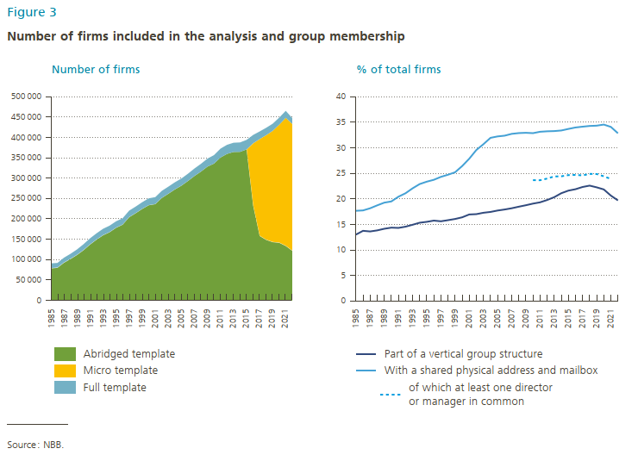
1987 | 92,736 | 11,673 | 0 | 1987 | 18.15073 | 13.61473
1988 | 101,829 | 12,113 | 0 | 1988 | 18.72093 | 13.82107
1989 | 111,753 | 12,889 | 0 | 1989 | 19.25274 | 14.1405
1990 | 123,501 | 14,031 | 0 | 1990 | 19.49146 | 14.35957
1991 | 137,280 | 14,719 | 0 | 1991 | 20.41527 | 14.30602
1992 | 149,330 | 15,006 | 0 | 1992 | 21.09094 | 14.54946
1993 | 160,025 | 15,416 | 0 | 1993 | 22.05756 | 14.92525
1994 | 167,588 | 15,563 | 0 | 1994 | 22.89095 | 15.32342
1995 | 178,396 | 15,492 | 0 | 1995 | 23.36039 | 15.49658
1996 | 186,025 | 15,357 | 0 | 1996 | 23.72655 | 15.73775
1997 | 204,349 | 15,723 | 0 | 1997 | 24.30205 | 15.60626
1998 | 214,080 | 15,936 | 0 | 1998 | 24.71785 | 15.82281
1999 | 224,564 | 16,211 | 0 | 1999 | 25.19904 | 16.05731
2000 | 233,655 | 16,645 | 0 | 2000 | 26.4151 | 16.38314
2001 | 236,300 | 16,883 | 0 | 2001 | 27.85377 | 16.93992
2002 | 251,443 | 17,185 | 0 | 2002 | 29.55611 | 17.00232
2003 | 261,664 | 17,223 | 0 | 2003 | 30.69021 | 17.27438
2004 | 272,299 | 17,342 | 0 | 2004 | 31.94023 | 17.43503
2005 | 281,494 | 17,395 | 0 | 2005 | 32.21832 | 17.71092
2006 | 292,887 | 17,708 | 0 | 2006 | 32.36594 | 17.91272
2007 | 305,204 | 18,261 | 0 | 2007 | 32.72131 | 18.15683
2008 | 316,051 | 18,962 | 0 | 2008 | 32.87216 | 18.46227
2009 | 328,245 | 19,570 | 0 | 2009 | 32.92699 | 18.74704
2010 | 335,653 | 20,770 | 0 | 2010 | 32.85759 | 19.06471 | 23.65417904
2011 | 350,579 | 21,791 | 0 | 2011 | 33.12995 | 19.316 | 23.64153232
2012 | 359,457 | 22,289 | 0 | 2012 | 33.22157 | 19.77048 | 23.96936276
2013 | 364,198 | 22,670 | 0 | 2013 | 33.26354 | 20.32424 | 24.38217482
2014 | 364,453 | 23,169 | 0 | 2014 | 33.37994 | 21.09891 | 24.40741213
2015 | 370,385 | 23,509 | 0 | 2015 | 33.68495 | 21.60607 | 24.64390942
2016 | 233,051 | 20,535 | 152387 | 2016 | 33.96728 | 21.88249 | 24.68402238
2017 | 158,420 | 18,701 | 237413 | 2017 | 34.12531 | 22.31735 | 24.58728586
2018 | 148,809 | 18,151 | 256599 | 2018 | 34.26606 | 22.58694 | 24.88401277
2019 | 143,281 | 17,524 | 272788 | 2019 | 34.32366 | 22.24898 | 24.85719457
2020 | 141,705 | 17,488 | 289445 | 2020 | 34.53876 | 21.83966 | 24.41544944
2021 | 133,890 | 17,121 | 314206 | 2021 | 34.08087 | 20.63575 | 23.89068987
2022 | 122,072 | 14,370 | 310864 | 2022 | 32.83435 | 19.69032

 | 79006 | 11563 | 0
 | 80352 | 11164 | 0
 | 92735 | 11672 | 0
 | 101828 | 12112 | 0
 | 111752 | 12888 | 0
 | 123500 | 14030 | 0
 | 137279 | 14718 | 0
 | 149329 | 15005 | 0
 | 160023 | 15415 | 0
 | 167587 | 15562 | 0
 | 178395 | 15491 | 0
 | 186023 | 15356 | 0
 | 204347 | 15720 | 0
 | 214080 | 15933 | 0
 | 224564 | 16209 | 0
 | 233655 | 16642 | 0
 | 236301 | 16882 | 0
 | 251445 | 17183 | 0
 | 261666 | 17221 | 0
 | 272301 | 17339 | 0
 | 281497 | 17390 | 0
 | 292889 | 17703 | 0
 | 305206 | 18257 | 0
 | 316053 | 18958 | 0
 | 328247 | 19565 | 0
 | 335655 | 20764 | 0
 | 350581 | 21791 | 0
 | 359458 | 22289 | 0
 | 364199 | 22670 | 0
 | 364454 | 23169 | 0
 | 370386 | 23509 | 0
 | 233052 | 20535 | 152387
 | 158421 | 18701 | 237413
 | 148810 | 18151 | 256599
 | 143282 | 17524 | 272786
 | 141685 | 17481 | 289356
 | 132815 | 17102 | 312701
 | 108391 | 13125 | 262191

Figure 4
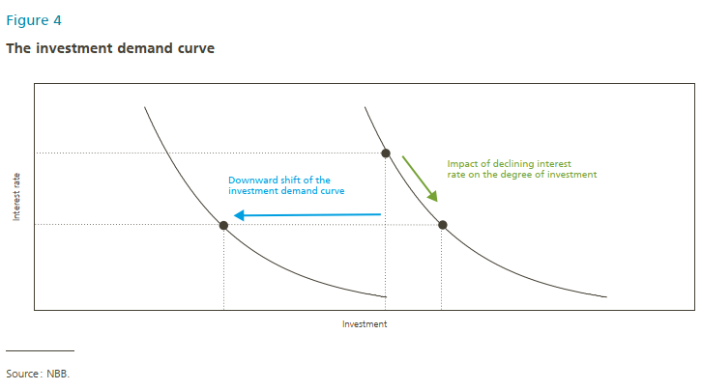
1 | 100 | 2 | 100
1.1 | 95 | 2.1 | 95

2 | 6 | 3 | 6
2.1 | 10 | 3.1 | 10

Figure 5
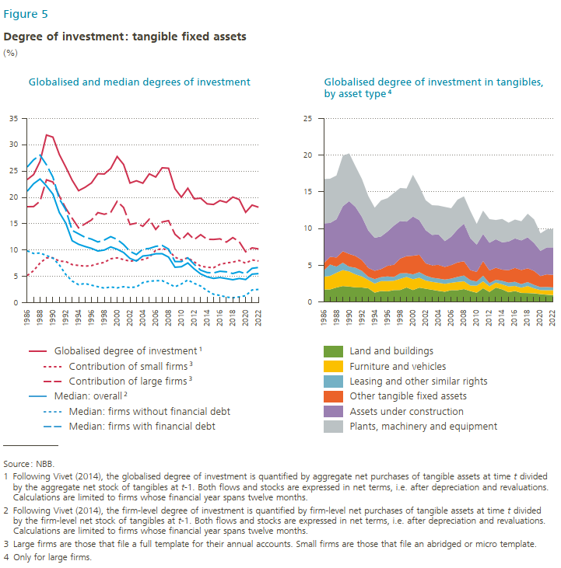
Year | Median: firm without financial debt | Median: firms with financial debt | Contribution of small firms³ | Contribution of large firms³ | Globalised degree of investment¹ | Median: overall² | Year | Land and Buidlings | Plants, machinery and equipment | Furniture and vehicles | Leasing and other similar rights | Other tangible fixed assets | Assets under construction
1986 | 9.85271 | 25.76943 | 5.14878 | 18.23002 | 23.3788 | 21.16794 | 1986 | 1.71566 | 6.04038 | 1.72441 | 0.823367 | 1.00943 | 5.43466
1987 | 9.34647 | 27.14359 | 6.08221 | 18.25723 | 24.33944 | 22.59734 | 1987 | 1.71081 | 6.0266 | 1.84279 | 1.5496 | 1.05024 | 4.61011
1988 | 9.43661 | 28.03067 | 7.53686 | 19.29388 | 26.83074 | 23.49538 | 1988 | 1.96992 | 5.9586 | 2.00954 | 0.840118 | 1.24257 | 5.20577
1989 | 8.95797 | 26.19341 | 8.50754 | 23.33943 | 31.84697 | 22.17905 | 1989 | 2.16931 | 6.8792 | 2.17355 | 1.00121 | 1.56415 | 6.13282
1990 | 8.46537 | 23.85679 | 8.52987 | 22.91822 | 31.44809 | 20.61723 | 1990 | 2.09719 | 6.51121 | 2.05981 | 0.653563 | 1.73174 | 7.19108
1991 | 7.16994 | 19.72916 | 7.89024 | 20.26092 | 28.15116 | 17.12944 | 1991 | 1.99405 | 5.53296 | 1.76477 | 0.901508 | 1.60288 | 6.67119
1992 | 5.36744 | 17.65725 | 7.82019 | 17.94852 | 25.76871 | 15.12682 | 1992 | 1.97326 | 5.15082 | 1.50267 | 0.761525 | 1.46891 | 5.88847
1993 | 4.10522 | 13.7318 | 7.23209 | 16.02983 | 23.26192 | 11.76763 | 1993 | 1.8654 | 4.68651 | 1.1273 | 0.435863 | 1.20978 | 5.10263
1994 | 3.41854 | 13.0765 | 7.06927 | 14.20746 | 21.27673 | 11.09252 | 1994 | 1.28338 | 4.0985 | 1.22472 | 0.608787 | 1.13326 | 4.49362
1995 | 3.64486 | 12.42156 | 6.9393 | 14.97468 | 21.91398 | 10.67317 | 1995 | 1.503 | 4.91695 | 1.3416 | 0.542363 | 1.09341 | 4.4473
1996 | 3.32487 | 12.08292 | 7.03746 | 15.70669 | 22.74415 | 10.31946 | 1996 | 1.45198 | 4.54192 | 1.39798 | 0.633468 | 1.44452 | 4.66802
1997 | 3.03223 | 11.53543 | 7.39021 | 17.10778 | 24.49799 | 9.81285 | 1997 | 1.62403 | 4.45631 | 1.26891 | 0.502288 | 1.66623 | 5.32975
1998 | 2.77037 | 11.90015 | 7.65133 | 16.79328 | 24.44461 | 9.99937 | 1998 | 1.63787 | 4.48992 | 1.51149 | 0.753895 | 2.00952 | 5.12422
1999 | 2.9806 | 12.54449 | 8.34174 | 17.15078 | 25.49252 | 10.5925 | 1999 | 1.97601 | 4.50588 | 1.44072 | 0.516776 | 2.31025 | 4.7071
2000 | 2.81316 | 12.01021 | 8.51576 | 19.24778 | 27.76354 | 10.14801 | 2000 | 1.631 | 5.68082 | 1.47078 | 0.656684 | 2.54001 | 5.34635
2001 | 3.0303 | 11.04856 | 8.18424 | 18.07442 | 26.25866 | 9.53186 | 2001 | 1.95748 | 4.59468 | 1.34578 | 0.755362 | 2.36954 | 4.72514
2002 | 2.87835 | 9.74258 | 7.87598 | 14.84477 | 22.72075 | 8.40422 | 2002 | 1.81164 | 4.0766 | 1.10963 | 0.675103 | 1.66633 | 4.51769
2003 | 2.98639 | 9.1418 | 8.04069 | 15.11806 | 23.15875 | 7.91076 | 2003 | 1.66949 | 4.04944 | 1.06871 | 0.56818 | 1.67899 | 4.14869
2004 | 3.81471 | 10.18571 | 8.18093 | 14.51394 | 22.69487 | 8.86793 | 2004 | 1.52332 | 3.92232 | 1.08946 | 0.577292 | 1.86665 | 4.15376
2005 | 4.07315 | 10.29822 | 8.61037 | 15.85361 | 24.46398 | 9.01079 | 2005 | 1.40368 | 4.65505 | 1.06836 | 0.581993 | 1.72395 | 3.51524
2006 | 4.17117 | 10.69429 | 9.95445 | 13.91422 | 23.86867 | 9.29184 | 2006 | 1.61735 | 3.87144 | 0.995303 | 0.572131 | 1.83963 | 3.87381
2007 | 4.18392 | 10.87901 | 10.29061 | 15.33147 | 25.62208 | 9.30275 | 2007 | 1.61403 | 4.04962 | 1.11724 | 0.686225 | 1.97266 | 4.50225
2008 | 3.62132 | 10.18452 | 9.95514 | 15.58059 | 25.53573 | 8.65963 | 2008 | 1.7643 | 3.70985 | 1.0537 | 0.784308 | 1.93899 | 5.13593
2009 | 3.01377 | 7.81557 | 8.6428 | 12.99614 | 21.63894 | 6.73239 | 2009 | 1.49386 | 3.70272 | 0.747414 | 0.739733 | 1.36247 | 4.36238
2010 | 3.55729 | 7.79944 | 8.11667 | 11.92182 | 20.03849 | 6.82846 | 2010 | 1.26907 | 2.81462 | 0.951154 | 0.558517 | 1.3158 | 3.7275
2011 | 4.31185 | 8.5167 | 8.5349 | 13.20521 | 21.74011 | 7.54352 | 2011 | 1.87496 | 3.17288 | 0.934052 | 0.772026 | 1.98861 | 3.70136
2012 | 3.66951 | 7.28039 | 7.73601 | 11.992 | 19.72801 | 6.4044 | 2012 | 1.37806 | 3.2152 | 0.754133 | 0.427547 | 1.7366 | 3.7735
2013 | 3.15792 | 6.17202 | 6.93368 | 12.91867 | 19.85235 | 5.4613 | 2013 | 1.96126 | 2.62284 | 0.675887 | 0.39109 | 1.63845 | 3.87712
2014 | 2.27899 | 5.7325 | 6.73525 | 12.03923 | 18.77448 | 4.90876 | 2014 | 1.72286 | 3.1827 | 0.67314 | 0.482676 | 1.52214 | 3.72869
2015 | 1.60454 | 5.64655 | 6.64158 | 12.01334 | 18.65492 | 4.61859 | 2015 | 1.33852 | 2.56488 | 0.779501 | 0.515821 | 1.69131 | 3.90983
2016 | 1.38222 | 5.9677 | 7.2733 | 12.12812 | 19.40142 | 4.77685 | 2016 | 1.50377 | 2.56625 | 0.680641 | 0.57173 | 1.88775 | 4.02142
2017 | 1.06325 | 5.85896 | 7.54453 | 11.50484 | 19.04937 | 4.57595 | 2017 | 1.24122 | 2.61261 | 0.707747 | 0.481928 | 1.92127 | 4.03436
2018 | 0.92912 | 5.54208 | 7.70512 | 12.36124 | 20.06636 | 4.35853 | 2018 | 1.22519 | 3.20776 | 0.953285 | 0.53259 | 1.87163 | 4.23003
2019 | 1.09238 | 5.89619 | 8.01495 | 11.58307 | 19.59802 | 4.59863 | 2019 | 1.19078 | 3.21626 | 0.658532 | 0.477024 | 1.90473 | 3.80416
2020 | 1.33108 | 5.48583 | 7.49667 | 9.66809 | 17.16476 | 4.40061 | 2020 | 1.07932 | 2.38365 | 0.540647 | 0.401786 | 1.50974 | 3.43431
2021 | 2.41811 | 6.52551 | 8.12574 | 10.41114 | 18.53688 | 5.42084 | 2021 | 0.999923 | 2.46013 | 0.604132 | 0.438256 | 1.72089 | 3.67122
2022 | 2.51716 | 6.69015 | 7.91958 | 10.2124 | 18.13198 | 5.52205 | 2022 | 0.937579 | 2.5228 | 0.670281 | 0.378424 | 1.6992 | 3.75112

Figure 6
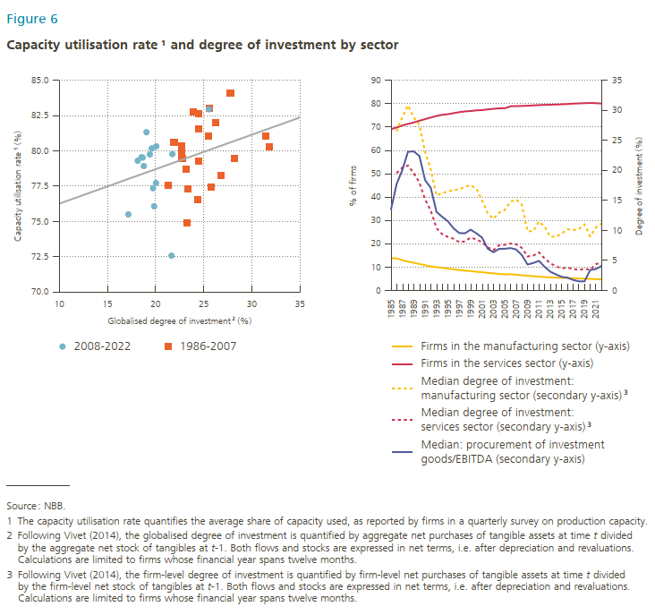
Year | Firms in manufacturing sector (l.h.s.) | Firms in service sector (l.h.s.) | Median degree of investment: manufacturing sector (r.h.s.)³ | Median degree of investment: service sector (r.h.s.)³ | Median: Procurement investment goods / EBITDA (r.h.s.) |  |  | 2008-2022 | 1986-2007
1985 | 13.88 | 69.18 |  |  | 13.42951 | 23.3788 |  | 23.3788 | 77.3
1986 | 13.7 | 69.85 | 26.51954 | 19.53963 | 17.7313 | 24.33944 |  | 24.33944 | 76.525
1987 | 12.91 | 70.78 | 28.85143 | 20.47995 | 20.05059 | 26.83074 |  | 26.83074 | 78.25
1988 | 12.35 | 71.4 | 30.82193 | 20.81512 | 23.1079 | 31.84697 |  | 31.84697 | 80.3
1989 | 11.85 | 72.01 | 28.82631 | 19.56198 | 23.16946 | 31.44809 |  | 31.44809 | 81.05
1990 | 11.29 | 72.76 | 27.61621 | 17.98676 | 22.4047 | 28.15116 |  | 28.15116 | 79.45
1991 | 10.76 | 73.46 | 23.02158 | 15.16014 | 18.3924 | 25.76871 |  | 25.76871 | 77.425
1992 | 10.28 | 74.12 | 20.19195 | 13.29603 | 17.09939 | 23.26192 |  | 23.26192 | 74.875
1993 | 9.95 | 74.79 | 15.80515 | 10.40035 | 13.09881 | 21.27673 |  | 21.27673 | 77.575
1994 | 9.69 | 75.28 | 16.24858 | 9.37729 | 12.27739 | 21.91398 |  | 21.91398 | 80.6
1995 | 9.37 | 75.53 | 16.471 | 8.93089 | 11.54219 | 22.74415 |  | 22.74415 | 79.45
1996 | 9.08 | 75.99 | 16.76642 | 8.62626 | 10.35941 | 24.49799 |  | 24.49799 | 81.55
1997 | 8.76 | 76.41 | 16.81412 | 8.04925 | 9.57346 | 24.44461 |  | 24.44461 | 82.625
1998 | 8.51 | 76.72 | 17.30013 | 8.18067 | 9.52301 | 25.49252 |  | 25.49252 | 81.025
1999 | 8.29 | 76.88 | 17.50309 | 8.81879 | 10.12639 | 27.76354 |  | 27.76354 | 84.1
2000 | 8.01 | 77.16 | 17.01785 | 8.5137 | 9.53454 | 26.25866 |  | 26.25866 | 82.025
2001 | 7.83 | 77.27 | 15.0338 | 8.0475 | 8.81837 | 22.72075 |  | 22.72075 | 79.825
2002 | 7.53 | 77.59 | 12.89235 | 7.18761 | 6.97851 | 23.15875 |  | 23.15875 | 78.7
2003 | 7.31 | 77.82 | 11.94325 | 6.73325 | 6.36951 | 22.69487 |  | 22.69487 | 80.375
2004 | 7.1 | 78.02 | 12.95954 | 7.54123 | 6.94342 | 24.46398 |  | 24.46398 | 79.275
2005 | 6.89 | 78.09 | 13.39744 | 7.60919 | 6.95223 | 23.86867 |  | 23.86867 | 82.775
2006 | 6.97 | 78.93 | 14.77051 | 7.81641 | 7.07135 | 25.62208 |  | 25.62208 | 83.025
2007 | 6.75 | 78.96 | 15.15631 | 7.70716 | 6.84045 | 25.53573 | 82.95 | 25.53573
2008 | 6.52 | 79.04 | 14.27831 | 7.09675 | 5.90248 | 21.63894 | 72.575 | 21.63894
2009 | 6.3 | 79.13 | 9.86224 | 5.66211 | 4.32967 | 20.03849 | 77.725 | 20.03849
2010 | 6.12 | 79.28 | 9.89183 | 5.81256 | 4.58474 | 21.74011 | 79.775 | 21.74011
2011 | 5.92 | 79.42 | 11.48275 | 6.33913 | 4.93806 | 19.72801 | 77.35 | 19.72801
2012 | 5.76 | 79.51 | 10.61283 | 5.33117 | 3.94055 | 19.85235 | 76.075 | 19.85235
2013 | 5.65 | 79.58 | 8.95076 | 4.53745 | 3.1334 | 18.77448 | 78.925 | 18.77448
2014 | 5.54 | 79.63 | 8.9904 | 4.01865 | 2.68504 | 18.65492 | 79.525 | 18.65492
2015 | 5.44 | 79.74 | 9.47764 | 3.71197 | 2.26641 | 19.40142 | 79.75 | 19.40142
2016 | 5.35 | 79.87 | 10.20881 | 3.79051 | 2.14802 | 19.04937 | 81.325 | 19.04937
2017 | 5.27 | 80.03 | 10.07096 | 3.60199 | 1.75525 | 20.06636 | 80.325 | 20.06636
2018 | 5.17 | 80.14 | 10.24203 | 3.4184 | 1.53087 | 19.59802 | 80.175 | 19.59802
2019 | 5.08 | 80.23 | 11.00943 | 3.61303 | 1.52371 | 17.16476 | 75.5 | 17.16476
2020 | 4.99 | 80.3 | 9.03129 | 3.46576 | 3.39938 | 18.53688 | 79.55 | 18.53688
2021 | 4.85 | 80.21 | 10.48174 | 4.40046 | 3.58426 | 18.13198 | 79.3 | 18.13198
2022 | 4.79 | 80.02 | 11.15799 | 4.62201 | 4.08696

Figure 7
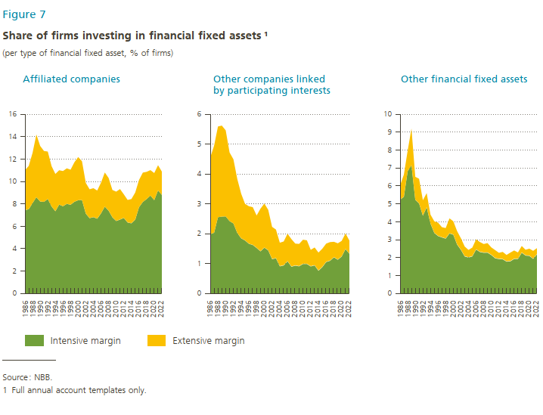
Year | Intensive margin | Extensive margin | Year | Intensive margin | Extensive margin | Year | Intensive margin | Extensive margin
1986 | 7.4437 | 3.5563 | 1986 | 5.238261 | 0.791739 | 1986 | 1.990625 | 2.559375
1987 | 7.527651 | 3.862349 | 1987 | 5.398809 | 1.231191 | 1987 | 2.03544 | 2.91456
1988 | 8.07467 | 4.47533 | 1988 | 6.82232 | 1.14768 | 1988 | 2.552953 | 3.037047
1989 | 8.596302 | 5.593698 | 1989 | 7.15944 | 2.04056 | 1989 | 2.57396 | 3.04604
1990 | 8.210178 | 4.959822 | 1990 | 5.233389 | 1.276611 | 1990 | 2.57985 | 2.88015
1991 | 8.181504 | 4.538496 | 1991 | 5.0304 | 1.3696 | 1991 | 2.424192 | 2.295808
1992 | 8.439487 | 4.230513 | 1992 | 4.34876 | 0.85124 | 1992 | 2.344678 | 2.145322
1993 | 7.770258 | 3.599742 | 1993 | 4.816 | 0.784 | 1993 | 2.02607 | 1.80393
1994 | 7.348429 | 3.321571 | 1994 | 3.9094 | 0.4906 | 1994 | 1.850694 | 1.489306
1995 | 7.9398 | 3.0602 | 1995 | 3.38923 | 0.64077 | 1995 | 1.7787 | 1.2213
1996 | 7.791997 | 3.138003 | 1996 | 3.217275 | 0.732725 | 1996 | 1.668488 | 1.251512
1997 | 8.004422 | 3.165578 | 1997 | 3.14093 | 0.55907 | 1997 | 1.629093 | 1.260907
1998 | 7.92506 | 3.12494 | 1998 | 3.075125 | 0.574875 | 1998 | 1.529982 | 1.080018
1999 | 8.188803 | 3.521197 | 1999 | 3.361637 | 0.828363 | 1999 | 1.416592 | 1.423408
2000 | 8.328684 | 3.851316 | 2000 | 3.293719 | 0.736281 | 2000 | 1.538411 | 1.471589
2001 | 8.34024 | 3.45976 | 2001 | 2.743284 | 0.736716 | 2001 | 1.44928 | 1.35072
2002 | 7.13601 | 2.73399 | 2002 | 2.449832 | 0.630168 | 2002 | 1.15737 | 1.07263
2003 | 6.73227 | 2.56773 | 2003 | 2.080804 | 0.539196 | 2003 | 1.187486 | 0.952514
2004 | 6.82252 | 2.57748 | 2004 | 2.027106 | 0.402894 | 2004 | 0.91919 | 0.78081
2005 | 6.682968 | 2.507032 | 2005 | 2.085376 | 0.474624 | 2005 | 0.947952 | 0.792048
2006 | 7.157393 | 2.732607 | 2006 | 2.469152 | 0.550848 | 2006 | 1.0864 | 0.9136
2007 | 7.75656 | 3.04344 | 2007 | 2.331014 | 0.538986 | 2007 | 0.906906 | 0.913094
2008 | 7.398456 | 2.911544 | 2008 | 2.291076 | 0.468924 | 2008 | 0.940878 | 0.729122
2009 | 6.808956 | 2.431044 | 2009 | 2.294084 | 0.515916 | 2009 | 0.919806 | 0.740194
2010 | 6.480261 | 2.609739 | 2010 | 2.161627 | 0.408373 | 2010 | 0.99756 | 0.80244
2011 | 6.606948 | 2.713052 | 2011 | 1.982706 | 0.437294 | 2011 | 0.9968 | 0.7832
2012 | 6.75432 | 2.09568 | 2012 | 1.942893 | 0.327107 | 2012 | 0.91615 | 0.54385
2013 | 6.346 | 2.004 | 2013 | 1.927688 | 0.392312 | 2013 | 0.948794 | 0.591206
2014 | 6.276135 | 2.153865 | 2014 | 1.79869 | 0.35131 | 2014 | 0.772132 | 0.597868
2015 | 6.598924 | 2.411076 | 2015 | 1.812828 | 0.467172 | 2015 | 0.89355 | 0.60645
2016 | 7.705891 | 2.424109 | 2016 | 1.94616 | 0.45384 | 2016 | 1.062788 | 0.607212
2017 | 8.175583 | 2.614417 | 2017 | 1.948103 | 0.341897 | 2017 | 1.102864 | 0.617136
2018 | 8.431704 | 2.428296 | 2018 | 2.29066 | 0.35934 | 2018 | 1.218093 | 0.511907
2019 | 8.745243 | 2.264757 | 2019 | 2.135 | 0.305 | 2019 | 1.1382 | 0.5418
2020 | 8.336625 | 2.413375 | 2020 | 2.1155 | 0.3845 | 2020 | 1.243792 | 0.516208
2021 | 9.202365 | 2.247635 | 2021 | 1.950172 | 0.429828 | 2021 | 1.49343 | 0.51657
2022 | 8.799744 | 2.080256 | 2022 | 2.202618 | 0.327382 | 2022 | 1.338651 | 0.431349

Figure 8
Upper-left panel |  |  |  | Upper-right panel |  |  |  |  |  |  | Lower-left panel |  |  | Lower-right panel

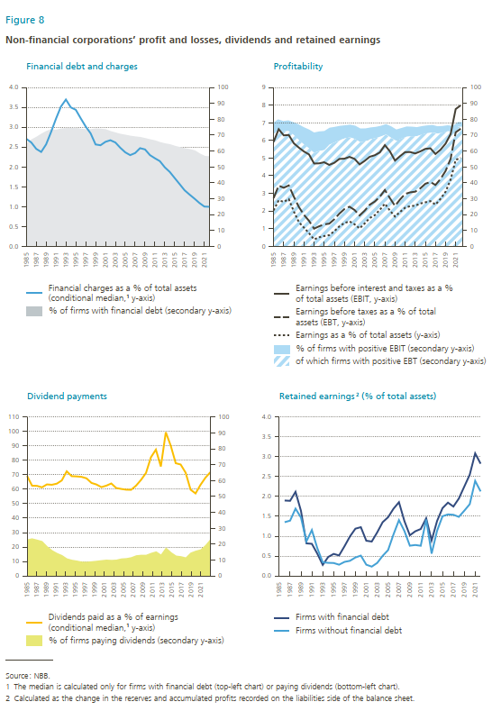
 | % firms with a financial debt (r.h.s.) | Median financial charge of these firms, in % of their total assets (l.h.s.) |  |  | Earnings before interest and taxes (EBIT, l.h.s.) | Earnings before taxes (EBT, l.h.s.) | Earnings (l.h.s.) | % firms generating a positive EBIT (r.h.s) | of which firms generating a positive EBT (r.h.s.) |  |  | Dividends paid in % of earnings (conditional median¹,l.h.s.) | % of firms paying dividends (r.h.s.) |  | Firms with financial debt | Firms without financial debt
1985 | 64.446 | 2.707 | 64.446 | 1985 | 5.922 | 2.729 | 2.034 | 7.435 | 70.218 | 77.653 | 1985 | 69.281 | 22.375 | 1985
1986 | 67.157 | 2.615 | 67.157 | 1986 | 6.638 | 3.438 | 2.606 | 6.980 | 72.968 | 79.948 | 1986 | 62.501 | 23.134 | 1986 | 1.899 | 1.352
1987 | 68.827 | 2.454 | 68.827 | 1987 | 6.287 | 3.315 | 2.517 | 6.611 | 72.284 | 78.895 | 1987 | 62.360 | 22.354 | 1987 | 1.891 | 1.392
1988 | 70.804 | 2.376 | 70.804 | 1988 | 6.307 | 3.449 | 2.674 | 6.719 | 72.593 | 79.312 | 1988 | 61.355 | 21.500 | 1988 | 2.118 | 1.695
1989 | 72.523 | 2.568 | 72.523 | 1989 | 5.836 | 2.808 | 1.969 | 7.941 | 70.175 | 78.117 | 1989 | 63.372 | 18.364 | 1989 | 1.638 | 1.470
1990 | 73.772 | 2.879 | 73.772 | 1990 | 5.591 | 2.223 | 1.365 | 9.711 | 67.048 | 76.759 | 1990 | 63.115 | 15.903 | 1990 | 0.819 | 0.870
1991 | 73.408 | 3.215 | 73.408 | 1991 | 5.372 | 1.781 | 1.055 | 10.836 | 64.180 | 75.016 | 1991 | 63.904 | 14.187 | 1991 | 0.808 | 1.155
1992 | 74.140 | 3.521 | 74.140 | 1992 | 5.207 | 1.442 | 0.742 | 11.889 | 61.691 | 73.580 | 1992 | 66.110 | 12.871 | 1992 | 0.560 | 0.698
1993 | 74.517 | 3.697 | 74.517 | 1993 | 4.692 | 0.999 | 0.389 | 12.839 | 58.843 | 71.681 | 1993 | 72.471 | 10.825 | 1993 | 0.277 | 0.342
1994 | 74.656 | 3.498 | 74.656 | 1994 | 4.700 | 1.133 | 0.509 | 12.298 | 60.036 | 72.334 | 1994 | 69.086 | 9.956 | 1994 | 0.476 | 0.329
1995 | 74.667 | 3.438 | 74.667 | 1995 | 4.763 | 1.242 | 0.581 | 12.000 | 60.622 | 72.622 | 1995 | 68.918 | 9.462 | 1995 | 0.554 | 0.325
1996 | 74.125 | 3.223 | 74.125 | 1996 | 4.613 | 1.283 | 0.630 | 10.654 | 64.035 | 74.689 | 1996 | 68.607 | 8.822 | 1996 | 0.515 | 0.282
1997 | 73.713 | 3.017 | 73.713 | 1997 | 4.733 | 1.531 | 0.855 | 9.788 | 65.418 | 75.206 | 1997 | 67.567 | 8.699 | 1997 | 0.748 | 0.353
1998 | 73.815 | 2.844 | 73.815 | 1998 | 4.952 | 1.852 | 1.129 | 9.012 | 66.840 | 75.852 | 1998 | 64.402 | 9.021 | 1998 | 0.995 | 0.380
1999 | 74.195 | 2.565 | 74.195 | 1999 | 4.965 | 2.111 | 1.317 | 8.209 | 67.991 | 76.201 | 1999 | 63.324 | 9.324 | 1999 | 1.190 | 0.464
2000 | 74.059 | 2.545 | 74.059 | 2000 | 5.067 | 2.242 | 1.413 | 8.014 | 68.578 | 76.592 | 2000 | 61.485 | 9.697 | 2000 | 1.227 | 0.511
2001 | 73.780 | 2.632 | 73.780 | 2001 | 4.956 | 2.058 | 1.246 | 8.447 | 67.520 | 75.967 | 2001 | 62.521 | 10.010 | 2001 | 0.886 | 0.282
2002 | 72.577 | 2.672 | 72.577 | 2002 | 4.642 | 1.746 | 1.013 | 8.665 | 65.539 | 74.204 | 2002 | 64.020 | 9.848 | 2002 | 0.865 | 0.233
2003 | 71.703 | 2.615 | 71.703 | 2003 | 4.840 | 2.015 | 1.291 | 8.100 | 66.160 | 74.261 | 2003 | 60.870 | 10.006 | 2003 | 1.095 | 0.325
2004 | 70.838 | 2.481 | 70.838 | 2004 | 5.074 | 2.354 | 1.601 | 7.422 | 67.441 | 74.863 | 2004 | 60.241 | 10.742 | 2004 | 1.352 | 0.504
2005 | 70.270 | 2.367 | 70.270 | 2005 | 5.160 | 2.534 | 1.762 | 7.071 | 68.152 | 75.223 | 2005 | 59.722 | 10.940 | 2005 | 1.478 | 0.649
2006 | 69.629 | 2.296 | 69.629 | 2006 | 5.319 | 2.809 | 2.065 | 6.753 | 69.142 | 75.895 | 2006 | 59.641 | 11.519 | 2006 | 1.693 | 1.046
2007 | 69.189 | 2.349 | 69.189 | 2007 | 5.735 | 3.191 | 2.416 | 6.549 | 70.412 | 76.961 | 2007 | 62.539 | 12.703 | 2007 | 1.856 | 1.404
2008 | 68.830 | 2.471 | 68.830 | 2008 | 5.377 | 2.726 | 2.022 | 7.255 | 68.290 | 75.545 | 2008 | 66.513 | 13.009 | 2008 | 1.381 | 1.131
2009 | 68.128 | 2.440 | 68.128 | 2009 | 4.857 | 2.289 | 1.685 | 7.193 | 66.386 | 73.578 | 2009 | 71.299 | 12.986 | 2009 | 1.023 | 0.761
2010 | 67.358 | 2.297 | 67.358 | 2010 | 5.109 | 2.652 | 1.945 | 6.661 | 67.847 | 74.508 | 2010 | 82.197 | 14.198 | 2010 | 1.124 | 0.778
2011 | 66.671 | 2.217 | 66.671 | 2011 | 5.336 | 2.965 | 2.185 | 6.438 | 69.022 | 75.460 | 2011 | 87.473 | 15.095 | 2011 | 1.181 | 0.759
2012 | 65.593 | 2.145 | 65.593 | 2012 | 5.342 | 3.056 | 2.277 | 6.074 | 69.278 | 75.351 | 2012 | 75.760 | 13.037 | 2012 | 1.450 | 1.420
2013 | 64.805 | 1.989 | 64.805 | 2013 | 5.261 | 3.095 | 2.300 | 5.693 | 69.351 | 75.044 | 2013 | 99.503 | 17.313 | 2013 | 0.894 | 0.561
2014 | 64.241 | 1.874 | 64.241 | 2014 | 5.377 | 3.281 | 2.424 | 5.288 | 70.408 | 75.696 | 2014 | 90.188 | 14.572 | 2014 | 1.383 | 1.136
2015 | 63.218 | 1.719 | 63.218 | 2015 | 5.521 | 3.543 | 2.492 | 4.943 | 71.199 | 76.142 | 2015 | 78.075 | 12.516 | 2015 | 1.707 | 1.502
2016 | 62.443 | 1.566 | 62.443 | 2016 | 5.552 | 3.647 | 2.561 | 4.809 | 71.614 | 76.423 | 2016 | 77.160 | 12.128 | 2016 | 1.845 | 1.549
2017 | 61.720 | 1.411 | 61.720 | 2017 | 5.231 | 3.473 | 2.359 | 4.570 | 71.038 | 75.608 | 2017 | 71.517 | 11.362 | 2017 | 1.747 | 1.540
2018 | 61.156 | 1.303 | 61.156 | 2018 | 5.473 | 3.815 | 2.688 | 4.337 | 71.429 | 75.766 | 2018 | 59.731 | 14.393 | 2018 | 1.949 | 1.487
2019 | 60.336 | 1.201 | 60.336 | 2019 | 5.817 | 4.268 | 3.089 | 3.818 | 72.415 | 76.233 | 2019 | 57.128 | 15.548 | 2019 | 2.250 | 1.643
2020 | 58.351 | 1.091 | 58.351 | 2020 | 6.355 | 4.959 | 3.780 | 3.532 | 72.236 | 75.768 | 2020 | 63.061 | 16.351 | 2020 | 2.549 | 1.805
2021 | 56.914 | 1.001 | 56.914 | 2021 | 7.769 | 6.453 | 4.892 | 2.921 | 75.315 | 78.236 | 2021 | 68.022 | 19.037 | 2021 | 3.086 | 2.391
2022 | 55.831 | 1.003 | 55.831 | 2022 | 7.797 | 6.452 | 4.846 | 3.028 | 75.130 | 78.158 | 2022 | 71.862 | 21.593 | 2022 | 2.749 | 2.058

Figure 9
Left panel |  |  |  |  | Right panel

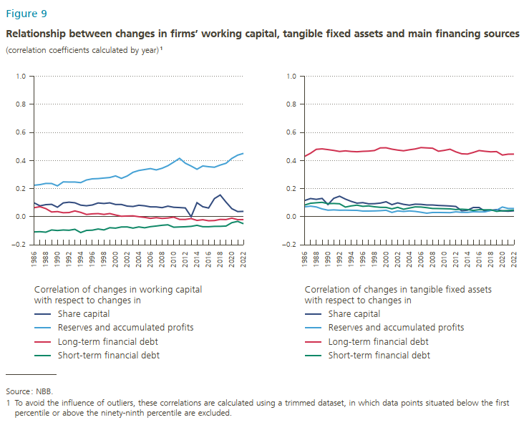
 | share capital | reserves and accumulated profits | long-term financial debt | short-term financial debt |  | share capital | reserves and accumulated profits | long-term financial debt | short-term financial debt
1986 | 0.098 | 0.224 | 0.064 | -0.109 | 1986 | 0.115 | 0.070 | 0.429 | 0.083
1987 | 0.077 | 0.228 | 0.071 | -0.107 | 1987 | 0.129 | 0.075 | 0.451 | 0.095
1988 | 0.085 | 0.237 | 0.057 | -0.111 | 1988 | 0.123 | 0.069 | 0.480 | 0.099
1989 | 0.088 | 0.236 | 0.033 | -0.095 | 1989 | 0.130 | 0.055 | 0.483 | 0.102
1990 | 0.067 | 0.219 | 0.036 | -0.099 | 1990 | 0.086 | 0.046 | 0.477 | 0.093
1991 | 0.098 | 0.248 | 0.028 | -0.095 | 1991 | 0.130 | 0.048 | 0.472 | 0.094
1992 | 0.103 | 0.246 | 0.029 | -0.097 | 1992 | 0.146 | 0.046 | 0.464 | 0.092
1993 | 0.099 | 0.247 | 0.041 | -0.090 | 1993 | 0.125 | 0.046 | 0.469 | 0.068
1994 | 0.082 | 0.242 | 0.030 | -0.113 | 1994 | 0.109 | 0.045 | 0.464 | 0.076
1995 | 0.077 | 0.261 | 0.016 | -0.098 | 1995 | 0.096 | 0.045 | 0.462 | 0.082
1996 | 0.083 | 0.269 | 0.020 | -0.096 | 1996 | 0.100 | 0.040 | 0.465 | 0.073
1997 | 0.097 | 0.271 | 0.022 | -0.088 | 1997 | 0.091 | 0.040 | 0.467 | 0.076
1998 | 0.094 | 0.275 | 0.016 | -0.095 | 1998 | 0.092 | 0.041 | 0.471 | 0.070
1999 | 0.098 | 0.279 | 0.022 | -0.079 | 1999 | 0.096 | 0.042 | 0.490 | 0.066
2000 | 0.087 | 0.290 | 0.012 | -0.082 | 2000 | 0.106 | 0.045 | 0.490 | 0.066
2001 | 0.087 | 0.273 | 0.003 | -0.074 | 2001 | 0.085 | 0.030 | 0.481 | 0.056
2002 | 0.075 | 0.289 | 0.005 | -0.073 | 2002 | 0.098 | 0.041 | 0.474 | 0.066
2003 | 0.072 | 0.316 | 0.006 | -0.082 | 2003 | 0.088 | 0.037 | 0.469 | 0.053
2004 | 0.081 | 0.329 | -0.001 | -0.073 | 2004 | 0.082 | 0.041 | 0.476 | 0.061
2005 | 0.077 | 0.335 | -0.005 | -0.079 | 2005 | 0.089 | 0.037 | 0.482 | 0.069
2006 | 0.070 | 0.342 | -0.012 | -0.071 | 2006 | 0.088 | 0.031 | 0.492 | 0.068
2007 | 0.069 | 0.333 | -0.008 | -0.067 | 2007 | 0.083 | 0.025 | 0.490 | 0.064
2008 | 0.064 | 0.345 | -0.013 | -0.062 | 2008 | 0.083 | 0.030 | 0.487 | 0.058
2009 | 0.075 | 0.363 | -0.010 | -0.058 | 2009 | 0.080 | 0.030 | 0.466 | 0.058
2010 | 0.067 | 0.388 | -0.003 | -0.075 | 2010 | 0.078 | 0.029 | 0.472 | 0.056
2011 | 0.065 | 0.415 | -0.020 | -0.074 | 2011 | 0.076 | 0.028 | 0.480 | 0.055
2012 | 0.062 | 0.380 | -0.020 | -0.072 | 2012 | 0.073 | 0.034 | 0.461 | 0.051
2013 | -0.001 | 0.360 | -0.014 | -0.069 | 2013 | 0.042 | 0.031 | 0.448 | 0.053
2014 | 0.099 | 0.338 | -0.027 | -0.062 | 2014 | 0.046 | 0.030 | 0.446 | 0.051
2015 | 0.071 | 0.361 | -0.022 | -0.072 | 2015 | 0.063 | 0.035 | 0.457 | 0.044
2016 | 0.061 | 0.356 | -0.029 | -0.072 | 2016 | 0.063 | 0.034 | 0.471 | 0.050
2017 | 0.128 | 0.352 | -0.028 | -0.069 | 2017 | 0.039 | 0.034 | 0.466 | 0.048
2018 | 0.154 | 0.367 | -0.020 | -0.069 | 2018 | 0.045 | 0.044 | 0.462 | 0.049
2019 | 0.103 | 0.380 | -0.021 | -0.067 | 2019 | 0.050 | 0.046 | 0.463 | 0.037
2020 | 0.057 | 0.415 | -0.011 | -0.043 | 2020 | 0.040 | 0.069 | 0.439 | 0.042
2021 | 0.036 | 0.438 | -0.021 | -0.034 | 2021 | 0.039 | 0.058 | 0.445 | 0.043
2022 | 0.038 | 0.451 | -0.021 | -0.051 | 2022 | 0.041 | 0.058 | 0.445 | 0.046

Figure 10
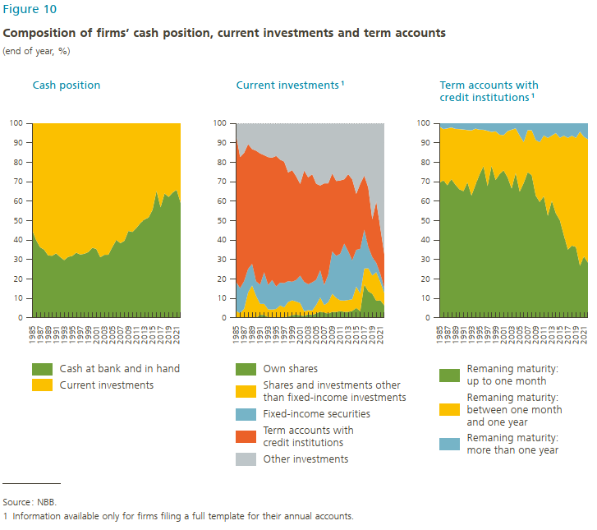
Year | Own shares | Shares and investments other than fixed income investments | Fixed-income securities | Term accounts with credit institutions | Other investments | Year | Cash at bank and in hand | Current investments | Year | Remaning maturity: Up to 1 month | Remaning maturity: More than one month up to one year | Remaning maturity: More than one year
1985 | 0.0962206 | 3.48514 | 14.8808 | 75.8449 | 5.69301 | 1985 | 45.4623 | 54.5377 | 1985 | 69.403 | 29.0307 | 1.56625
1986 | 0.0479381 | 2.37559 | 12.9164 | 67.442 | 17.218 | 1986 | 40.12593 | 59.87407 | 1986 | 70.7899 | 26.274 | 2.93609
1987 | 0.0592003 | 4.55779 | 14.211 | 66.0253 | 15.1466 | 1987 | 36.3899 | 63.61011 | 1987 | 68.2251 | 29.1707 | 2.60416
1988 | 0.114134 | 12.983 | 12.0544 | 64.2083 | 10.6402 | 1988 | 35.1136 | 64.8864 | 1988 | 71.3878 | 26.5194 | 2.09281
1989 | 0.0356234 | 16.7269 | 11.068 | 58.987 | 13.1824 | 1989 | 32.16542 | 67.83459 | 1989 | 68.5276 | 28.6393 | 2.83303
1990 | 0.113216 | 11.1642 | 7.50389 | 67.155 | 14.0637 | 1990 | 31.95548 | 68.04452 | 1990 | 66.1336 | 30.9339 | 2.93255
1991 | 1.6278 | 5.58795 | 9.85404 | 67.5218 | 15.4084 | 1991 | 33.20252 | 66.79748 | 1991 | 65.2152 | 31.6299 | 3.1549
1992 | 1.54584 | 5.67271 | 16.3135 | 60.2385 | 16.2294 | 1992 | 31.3362 | 68.66379 | 1992 | 69.7529 | 26.8392 | 3.40794
1993 | 0.274245 | 4.09124 | 12.5312 | 65.7585 | 17.3448 | 1993 | 29.73506 | 70.26494 | 1993 | 62.9432 | 33.4614 | 3.59542
1994 | 0.385302 | 3.92934 | 15.2316 | 62.9139 | 17.5398 | 1994 | 31.42332 | 68.57668 | 1994 | 68.455 | 28.8157 | 2.72926
1995 | 0.436005 | 4.20908 | 11.4801 | 67.2406 | 16.6343 | 1995 | 31.86484 | 68.13516 | 1995 | 73.7456 | 23.0267 | 3.22768
1996 | 0.288642 | 6.06677 | 11.7185 | 63.3313 | 18.5948 | 1996 | 33.55067 | 66.44933 | 1996 | 78.1051 | 18.6016 | 3.29326
1997 | 0.284615 | 5.13956 | 12.4973 | 62.4861 | 19.5924 | 1997 | 32.62322 | 67.37678 | 1997 | 67.7855 | 28.4094 | 3.80509
1998 | 0.716431 | 7.46519 | 10.6648 | 55.7922 | 25.3614 | 1998 | 32.93434 | 67.06567 | 1998 | 78.23 | 17.3792 | 4.39079
1999 | 1.41106 | 7.56275 | 9.5911 | 57.3705 | 24.0646 | 1999 | 33.85547 | 66.14453 | 1999 | 70.9383 | 24.9686 | 4.09314
2000 | 1.65707 | 6.64722 | 11.112 | 53.2555 | 27.3282 | 2000 | 36.06188 | 63.93813 | 2000 | 73.9618 | 20.2349 | 5.80322
2001 | 1.27931 | 6.14899 | 14.0998 | 47.2633 | 31.2086 | 2001 | 35.49102 | 64.50898 | 2001 | 75.9021 | 18.0936 | 6.00434
2002 | 0.88891 | 2.51023 | 15.1082 | 57.3332 | 24.1594 | 2002 | 31.20753 | 68.79247 | 2002 | 72.2537 | 23.7911 | 3.95521
2003 | 1.91891 | 2.06673 | 13.2811 | 55.0248 | 27.7084 | 2003 | 32.46681 | 67.53319 | 2003 | 66.534 | 30.2187 | 3.24725
2004 | 1.46509 | 2.25001 | 14.4609 | 55.6222 | 26.2017 | 2004 | 32.48016 | 67.51984 | 2004 | 74.5179 | 22.9148 | 2.56733
2005 | 2.26455 | 4.36013 | 12.9046 | 49.4426 | 31.0281 | 2005 | 36.12072 | 63.87928 | 2005 | 64.929 | 28.8215 | 6.24946
2006 | 3.19498 | 7.23067 | 13.9943 | 43.6447 | 31.9354 | 2006 | 40.04621 | 59.95378 | 2006 | 69.3805 | 21.0762 | 9.54331
2007 | 2.65 | 3.88417 | 10.3088 | 52.311 | 30.8461 | 2007 | 38.42743 | 61.57257 | 2007 | 74.919 | 21.6022 | 3.47879
2008 | 2.14289 | 5.70488 | 14.0117 | 47.8229 | 30.3177 | 2008 | 36.64459 | 63.35541 | 2008 | 72.7605 | 23.8018 | 3.43777
2009 | 3.01725 | 9.13364 | 21.4427 | 41.1338 | 25.2726 | 2009 | 43.04641 | 56.95359 | 2009 | 60.6609 | 31.1777 | 8.1614
2010 | 2.94015 | 7.21812 | 21.2493 | 39.4203 | 29.1721 | 2010 | 43.90756 | 56.09243 | 2010 | 57.7832 | 32.9742 | 9.24259
2011 | 3.54869 | 5.52813 | 23.9904 | 37.6603 | 29.2724 | 2011 | 46.30694 | 53.69306 | 2011 | 62.6504 | 31.1645 | 6.18504
2012 | 3.07306 | 5.75903 | 29.331 | 33.1135 | 28.7234 | 2012 | 48.82594 | 51.17406 | 2012 | 52.51 | 40.0462 | 7.44374
2013 | 3.10532 | 6.14657 | 25.0478 | 39.7123 | 25.988 | 2013 | 50.62963 | 49.37037 | 2013 | 60.2934 | 33.4753 | 6.23132
2014 | 3.55767 | 6.03724 | 19.9931 | 41.5674 | 28.8446 | 2014 | 51.61191 | 48.38808 | 2014 | 53.7973 | 41.2371 | 4.96564
2015 | 5.14348 | 11.039 | 18.9388 | 28.8239 | 36.0548 | 2015 | 55.59378 | 44.40622 | 2015 | 50.2686 | 42.3637 | 7.3677
2016 | 3.46437 | 8.96115 | 23.0153 | 33.4578 | 31.1014 | 2016 | 65.30192 | 34.69808 | 2016 | 42.5251 | 51.177 | 6.29799
2017 | 17.2005 | 8.18866 | 19.9634 | 27.8484 | 26.7991 | 2017 | 56.83815 | 43.16185 | 2017 | 35.1456 | 57.4417 | 7.41271
2018 | 13.7103 | 11.8151 | 10.9573 | 30.5163 | 33.0011 | 2018 | 63.99195 | 36.00805 | 2018 | 37.1949 | 56.4947 | 6.31045
2019 | 12.3616 | 9.36679 | 9.52504 | 19.4118 | 49.3347 | 2019 | 62.22362 | 37.77639 | 2019 | 36.5084 | 56.0766 | 7.41501
2020 | 8.75161 | 14.7111 | 4.75882 | 31.6447 | 40.1338 | 2020 | 64.43138 | 35.56862 | 2020 | 26.832 | 68.913 | 4.25497
2021 | 9.06661 | 9.41841 | 4.23956 | 23.7235 | 53.5519 | 2021 | 65.9118 | 34.0882 | 2021 | 31.6427 | 61.466 | 6.89133
2022 | 7.73491 | 6.65433 | 2.63998 | 20.8898 | 62.081 | 2022 | 60.09307 | 39.90693 | 2022 | 41.1626 | 51.93 | 6.90735

Figure 11
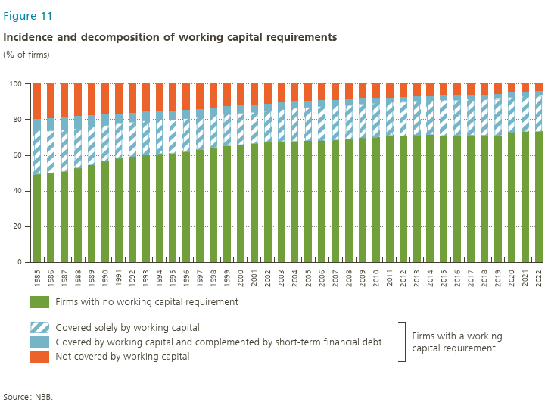
 | Firms with no working capital requirement | covered by the working capital and no short-term financial debt | covered by the working capital and some short-term financial debt | not covered by the working capital
1985 | 49.3 | 24.86 | 6.63 | 19.2
1986 | 49.79 | 24.11 | 7.2 | 18.9
1987 | 50.81 | 23.67 | 7.17 | 18.35
1988 | 52.68 | 22.6 | 6.99 | 17.73
1989 | 54.67 | 21.49 | 6.77 | 17.07
1990 | 56.49 | 20.56 | 6.23 | 16.71
1991 | 58.15 | 19.87 | 5.72 | 16.26
1992 | 59.38 | 19.43 | 5.3 | 15.89
1993 | 60.27 | 19.3 | 5.26 | 15.16
1994 | 60.74 | 19.28 | 5.19 | 14.79
1995 | 61.03 | 19.06 | 5.09 | 14.82
1996 | 61.88 | 18.89 | 4.83 | 14.4
1997 | 63.11 | 18.65 | 4.58 | 13.66
1998 | 64 | 18.42 | 4.55 | 13.03
1999 | 65.16 | 17.99 | 4.59 | 12.26
2000 | 65.74 | 17.99 | 4.43 | 11.83
2001 | 66.51 | 17.87 | 4.32 | 11.31
2002 | 67.36 | 17.91 | 3.98 | 10.75
2003 | 67.47 | 18.5 | 3.85 | 10.19
2004 | 67.79 | 18.87 | 3.67 | 9.67
2005 | 68.06 | 19.1 | 3.62 | 9.23
2006 | 68.14 | 19.48 | 3.55 | 8.83
2007 | 68.45 | 19.56 | 3.45 | 8.55
2008 | 68.9 | 19.36 | 3.29 | 8.45
2009 | 69.68 | 19.31 | 3.05 | 7.97
2010 | 70.21 | 19.22 | 2.96 | 7.61
2011 | 71.27 | 18.65 | 2.79 | 7.29
2012 | 70.7 | 19.35 | 2.74 | 7.22
2013 | 71.35 | 19.03 | 2.63 | 6.99
2014 | 71.59 | 19 | 2.6 | 6.81
2015 | 70.91 | 19.92 | 2.65 | 6.52
2016 | 71.01 | 20.1 | 2.61 | 6.28
2017 | 71.07 | 20.22 | 2.63 | 6.08
2018 | 71.05 | 20.31 | 2.69 | 5.95
2019 | 71 | 20.68 | 2.74 | 5.58
2020 | 73.05 | 19.73 | 2.67 | 4.55
2021 | 73.41 | 19.84 | 2.66 | 4.08
2022 | 73.28 | 20.12 | 2.67 | 3.93

Figure 12
Left panel |  |  |  |  | Right panel

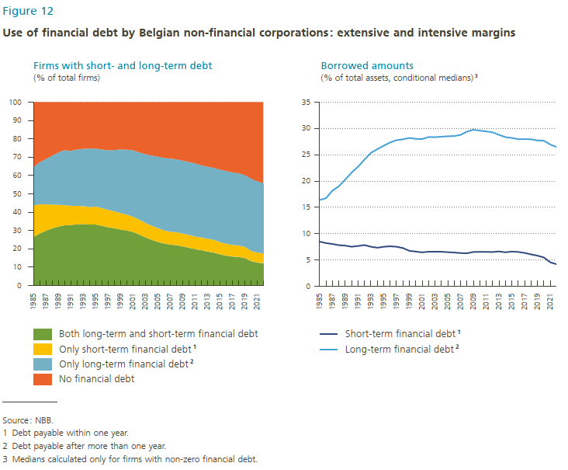
 | Both long-term and short-term financial debt | Only short-term financial debt² | Only long-term financial debt¹ | No financial debt |  | Short-term financial debt² | Long-term financial debt¹
1985 | 26.472 | 17.183 | 20.897 | 35.447 | 1985 | 8.480 | 16.388
1986 | 28.330 | 15.935 | 22.945 | 32.790 | 1986 | 8.205 | 16.740
1987 | 29.837 | 14.409 | 24.665 | 31.089 | 1987 | 8.037 | 18.168
1988 | 31.141 | 13.026 | 26.636 | 29.196 | 1988 | 7.811 | 18.994
1989 | 32.130 | 11.872 | 28.522 | 27.476 | 1989 | 7.726 | 20.288
1990 | 32.815 | 10.999 | 29.958 | 26.228 | 1990 | 7.517 | 21.604
1991 | 33.023 | 10.491 | 29.895 | 26.592 | 1991 | 7.656 | 22.722
1992 | 33.372 | 10.049 | 30.719 | 25.860 | 1992 | 7.828 | 24.059
1993 | 33.571 | 9.743 | 31.203 | 25.483 | 1993 | 7.515 | 25.352
1994 | 33.251 | 9.517 | 31.895 | 25.337 | 1994 | 7.326 | 26.041
1995 | 33.290 | 9.748 | 31.646 | 25.316 | 1995 | 7.508 | 26.696
1996 | 32.555 | 9.684 | 31.923 | 25.838 | 1996 | 7.600 | 27.331
1997 | 31.783 | 9.544 | 32.448 | 26.226 | 1997 | 7.513 | 27.756
1998 | 31.279 | 9.212 | 33.356 | 26.153 | 1998 | 7.262 | 27.919
1999 | 30.523 | 9.050 | 34.622 | 25.805 | 1999 | 6.739 | 28.190
2000 | 30.009 | 8.670 | 35.389 | 25.932 | 2000 | 6.596 | 28.006
2001 | 29.238 | 8.335 | 36.206 | 26.220 | 2001 | 6.445 | 27.965
2002 | 27.837 | 8.125 | 36.615 | 27.423 | 2002 | 6.567 | 28.359
2003 | 26.238 | 7.904 | 37.562 | 28.297 | 2003 | 6.573 | 28.334
2004 | 24.936 | 7.711 | 38.191 | 29.162 | 2004 | 6.562 | 28.421
2005 | 23.823 | 7.457 | 38.990 | 29.730 | 2005 | 6.477 | 28.503
2006 | 22.921 | 7.168 | 39.540 | 30.371 | 2006 | 6.412 | 28.541
2007 | 22.337 | 6.951 | 39.902 | 30.811 | 2007 | 6.310 | 28.765
2008 | 22.047 | 7.053 | 39.730 | 31.170 | 2008 | 6.277 | 29.386
2009 | 21.366 | 6.984 | 39.778 | 31.872 | 2009 | 6.513 | 29.739
2010 | 20.649 | 6.968 | 39.742 | 32.642 | 2010 | 6.542 | 29.573
2011 | 19.856 | 6.822 | 39.993 | 33.329 | 2011 | 6.532 | 29.425
2012 | 19.297 | 6.906 | 39.390 | 34.407 | 2012 | 6.508 | 29.247
2013 | 18.545 | 6.947 | 39.313 | 35.195 | 2013 | 6.621 | 28.763
2014 | 17.966 | 6.959 | 39.316 | 35.759 | 2014 | 6.457 | 28.340
2015 | 17.081 | 6.579 | 39.558 | 36.782 | 2015 | 6.603 | 28.181
2016 | 16.328 | 6.433 | 39.681 | 37.557 | 2016 | 6.520 | 27.945
2017 | 15.860 | 6.320 | 39.539 | 38.280 | 2017 | 6.339 | 27.965
2018 | 15.619 | 6.267 | 39.270 | 38.844 | 2018 | 6.061 | 27.926
2019 | 15.045 | 6.020 | 39.272 | 39.663 | 2019 | 5.815 | 27.710
2020 | 13.373 | 5.457 | 39.520 | 41.649 | 2020 | 5.470 | 27.650
2021 | 12.591 | 5.411 | 38.912 | 43.086 | 2021 | 4.555 | 26.928
2022 | 12.216 | 5.332 | 38.283 | 44.169 | 2022 | 4.179 | 26.454

